Sheet2
 | Brand | Niagara
Niche | Child ASIN | Brand | Image Link | Image | Product Title | SKU | UPC | Description | Wholesale Cost | MSRP or Amazon selling price | Amazon URL Link | Shipping Method (Small Parcel or LTL) | Box 1 Weight in Pounds | Box 1 Length in Inches | Box 1 Width in Inches | Box 1 Height in Inches | Annual Sales Volume%
mattress topper | B07D5DN269 | Niagara | https://m.media-amazon.com/images/I/815huZ0C7UL.jpg |  | Viscose Made from Bamboo Queen Mattress Topper - Thick Cooling Breathable Pillow Top Mattress Pad for Back Pain Relief - Deep Pocket Topper Fits 8-20 Inches Mattress Green Queen | bamtopqubed | 5060545020791 | ULTRA SOFT: Niagara Queen Mattress Topper is made from viscose made from bamboo fiber and fits mattresses 8-20 inches deep. The mattress topper queen is 60x80 inches in size, gentle on sensitive skin, environment-friendly, and ultra-soft. MACHINE-WASHABLE: The queen matress topper is safe for washing machines and has no harmful chemicals like latex or formaldehyde. The queen bed pad is easy to put on and won’t slide off. CLOUD-LIKE SLEEP: This queen mattress topper adds an extra cushion to potentially ease back pain. The back support mattress topper queen is also cool and sweat-absorbent for extra comfort EASY TO USE: The pillow top mattress topper queen has a deep pocket, is easy to put on, and has extra-length stretchy sides for thick mattresses. The queen topper is machine-washable and is fluffy after drying. SATISFACTION: Get 100% satisfaction with your mattress toppers queen. Our queen mattress toppers have a money-back guarantee. Enjoy sound sleep today with a mattress topper queen! | $20.76 | $39.99 | https://www.amazon.com/dp/B07D5DN269 | Small Parcel | 5.36 | 14.76 | 11.61 | 4.53 | 11.55% | 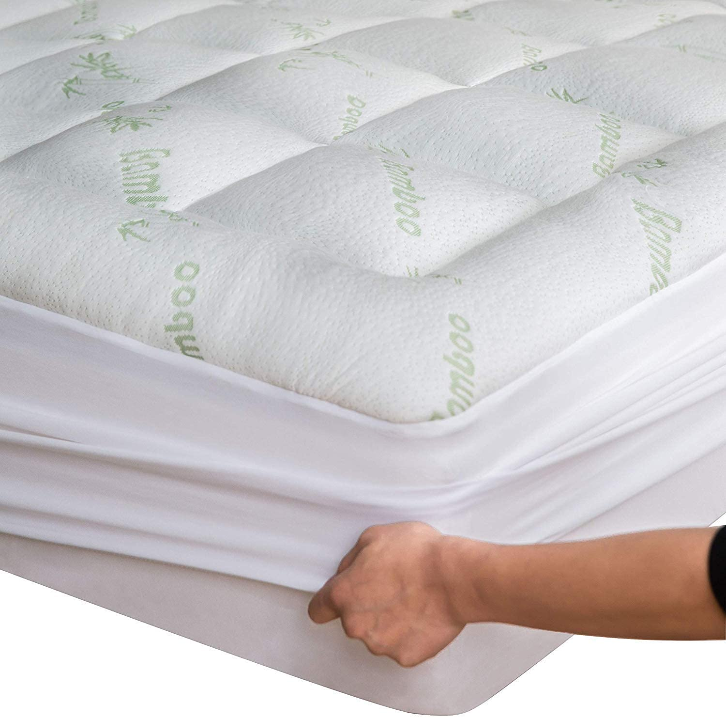
mattress topper | B07JQKCCK5 | Niagara | https://m.media-amazon.com/images/I/61GZUD9BIrS.jpg |  | Viscose Made from Bamboo Twin Mattress Topper - Thick Cooling Breathable Pillow Top Mattress Pad for Back Pain Relief - Deep Pocket Topper Fits 8-20 Inches Mattress, Green Green Twin | 81-CXEH-WXO7 | 5060545022108 | ULTRA SOFT: Niagara Twin Mattress Pad is made from viscose made from bamboo fiber and fits mattresses 8-20 inches deep. The mattress topper twin is gentle on sensitive skin, elastic, environment-friendly, and ultra-soft. ENHANCE YOUR MATTRESS: This mattress pad twin brings 5-star hotel quality to your old mattress. The twin size mattress topper is 39x75 in size, breathable, and comfortable. CLOUD-LIKE SLEEP: Our twin bed mattress topper adds an extra cushion to potentially ease back pain. The twin bed topper is cool, sweat-absorbent, and has no chemicals like latex or formaldehyde. EASY TO USE: The pillow top mattress topper twin has a deep pocket, is easy to put on, and has extra-length stretchy sides for thick mattresses. The twin topper is machine-washable and is fluffy after drying. SATISFACTION: Get 100% satisfaction with the viscose made from bamboo mattress topper. This twin size mattress pad has a money-back guarantee. Enjoy sound sleep today with a bed topper twin! | $21.82 | $39.99 | https://www.amazon.com/dp/B07JQKCCK5 | Small Parcel | 3.73 | 15.35 | 11.81 | 3.94 | 9.36%
mattress topper | B07JQSWJJS | Niagara | https://m.media-amazon.com/images/I/71uWv0uXaWL.jpg |  | Viscose Made from Bamboo Full Mattress Topper - Thick Cooling Breathable Pillow Top Mattress Pad for Back Pain Relief - Deep Pocket Topper Fits 8-20 Inches Mattress, Green Green Full | bambooFullNew | 5060545022115 | ULTRA SOFT: Niagara Cooling Mattress is made from viscose made from bamboo fiber and fits mattresses 8-20 inches deep. This cooling pad for bed gentle on sensitive skin, elastic, environment-friendly, and ultra-soft in touch. ENHANCE YOUR MATTRESS: This full size padded mattress topper brings 5-star hotel quality to your bedroom. The mattress topper firm is 54x75 inches in size, comfortable, and breathable. CLOUD-LIKE SLEEP: Our cooling bed pad adds an extra cushion to potentially ease back pain. The organic mattress topper is cool, sweat-absorbent, and has no harsh chemicals like latex or formaldehyde. EASY TO USE: Our active cooling mattress topper has a deep pocket and has stretchy sides to help put on thick mattresses. The hard mattress topper is machine-washable and dries fluffy, so bedsheets won’t slide off. SATISFACTION: Get 100% satisfaction with the best price mattress topper. Our pull out mattress topper has a money-back guarantee. Enjoy sound sleep today with a hard topper! | $25.93 | $45.99 | https://www.amazon.com/dp/B07JQSWJJS | Small Parcel | 4.85 | 16.14 | 12.2 | 4.72 | 9.14% |  | 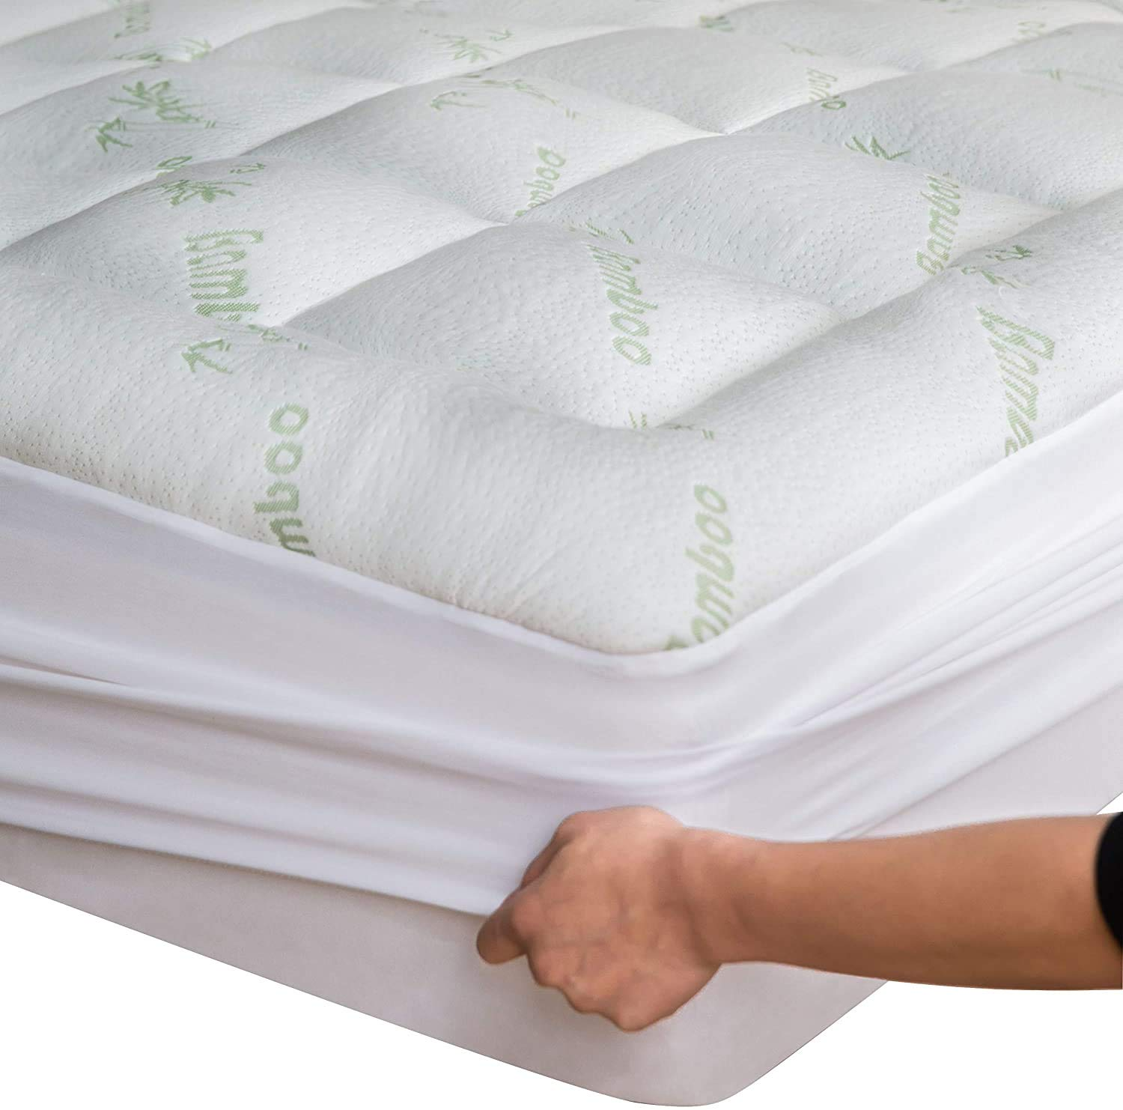
mattress topper | B0831LM91G | Niagara | https://m.media-amazon.com/images/I/612Mk8lMnbL.jpg |  | Viscose Made from Bamboo Twin Extra Long XL Mattress Topper - Thick Cooling Breathable Pillow Top Mattress Pad for Back Pain Relief - Deep Pocket Topper Fits 8-20 Inches (39x80 Inches) Green Twin XL | 8D-BGWN-53I2 | 5060545023266 | Ultra Soft: Crafted from viscose made from bamboo fiber, ideal for sensitive skin. This Twin XL mattress topper fits extra-long mattresses, providing an elastic, eco-friendly, and ultra-soft sleeping surface. Enhance Your Mattress: Designed to bring 5-star hotel comfort to your bed. The topper is breathable, ensuring a comfortable night's sleep. Cloud-Like Sleep: Adds an extra layer of cushion to help ease back pain. This cool, sweat-absorbent topper is free of harsh chemicals like latex or formaldehyde. Easy to Use: Features deep pockets and extra-length stretchy sides, making it easy to fit on thicker mattresses. Machine washable and maintains fluffiness after drying. Satisfaction Guaranteed: Enjoy 100% satisfaction with our money-back guarantee. Upgrade your sleep today! | $21.81 | $37.99 | https://www.amazon.com/dp/B0831LM91G | Small Parcel | 3.84 | 16.14 | 12.2 | 3.94 | 7.49% | 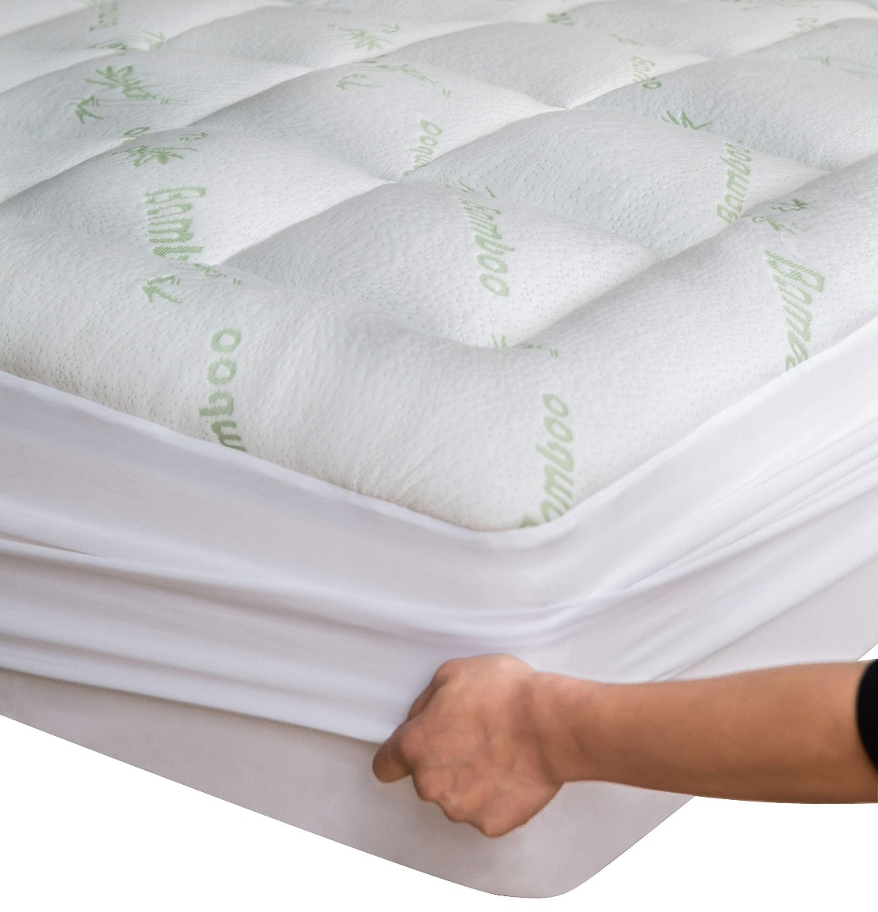
pillow protector | B078R3NDPH | Niagara | https://m.media-amazon.com/images/I/61ELKQEAy8L.jpg |  | Niagara 4 Pack of Pillow Protectors with Zipper Standard Size, Effective Dust Protection, Quiet, Stay in Place Pillow Covers, Breathable Case for Pillow Lifespan Extension 20x26, White White Standard | DE-TAQ9-UBQJ | 5060545022603 | LONG-LASTING: Pillow covers standard size are made with a high thread count and a tight weave of the finest quality microfiber fabrics to prolong the life of your pillows. Pillow protectors save pillows from dirt as well as wear and tear. VALUE BUNDLE: This set includes 4 pillowcase covers. These standard pillow protectors are all machine-washable, so you don’t have to worry about a thing! ZIPPERED PROTECTION: Each pillow case protector has an auto-lock zipper on the side of the pillow, ensuring that dust doesn’t creep in. Plus, having a zipper on the back of the pillow cover keeps it away and out of sight. BREATHABLE FABRIC: Our pillow protectors with zipper standard size are made of extremely soft cooling microfiber. Each pillow case with zipper will keep you cool in the summer and warm in the winter. GUARANTEE: Our zipper pillow cases are backed by a promise that you’ll love them. If you see any problem, you can contact our customer service team to get it fixed. Enjoy sleeping on a pillow protector today! | $5.04 | $12.99 | https://www.amazon.com/dp/B078R3NDPH | Small Parcel | 0.72 | 12.99 | 11 | 0.49 | 5.44%
mattress topper | B07Y252RCV | Niagara | https://m.media-amazon.com/images/I/81n3Rxri2KS.jpg |  | Viscose Made from Bamboo King Mattress Topper - Thick Cooling Breathable Pillow Top Mattress Pad for Back Pain Relief - Deep Pocket Topper Fits 8-20 Inches Mattress, Green Green King | 8N-R0VL-SIWT | 5060545021118 | ULTRA SOFT: Niagara Mattress Topper is made from viscose made from bamboo fiber and fits mattresses 8-20 inches deep. The cooling pad for bed is 78x80 inches in size, gentle on sensitive skin, elastic and environment-friendly. ENHANCE YOUR MATTRESS: This cooling mattress brings 5-star hotel quality to your old mattress. The firm mattress topper king is comfortable, breathable, and extremely soft. CLOUD-LIKE SLEEP: Our mattress topper firm adds an extra cushion to potentially ease back pain. The organic mattress topper is cool, sweat-absorbent, and has no chemicals like latex or formaldehyde. EASY TO USE: The cooling bed pad has a deep pocket, is easy to put on, and has extra-length stretchy sides for thick mattresses. The puffy mattress topper is machine-washable and is nice and fluffy after drying. SATISFACTION: Get 100% satisfaction with the king size topper for mattress. Extra firm mattress topper king has a money-back guarantee. Enjoy sound sleep today with a firm king mattress topper | $37.81 | $59.99 | https://www.amazon.com/dp/B07Y252RCV | Small Parcel | 7.34 | 16.54 | 12.6 | 7.09 | 4.10% | 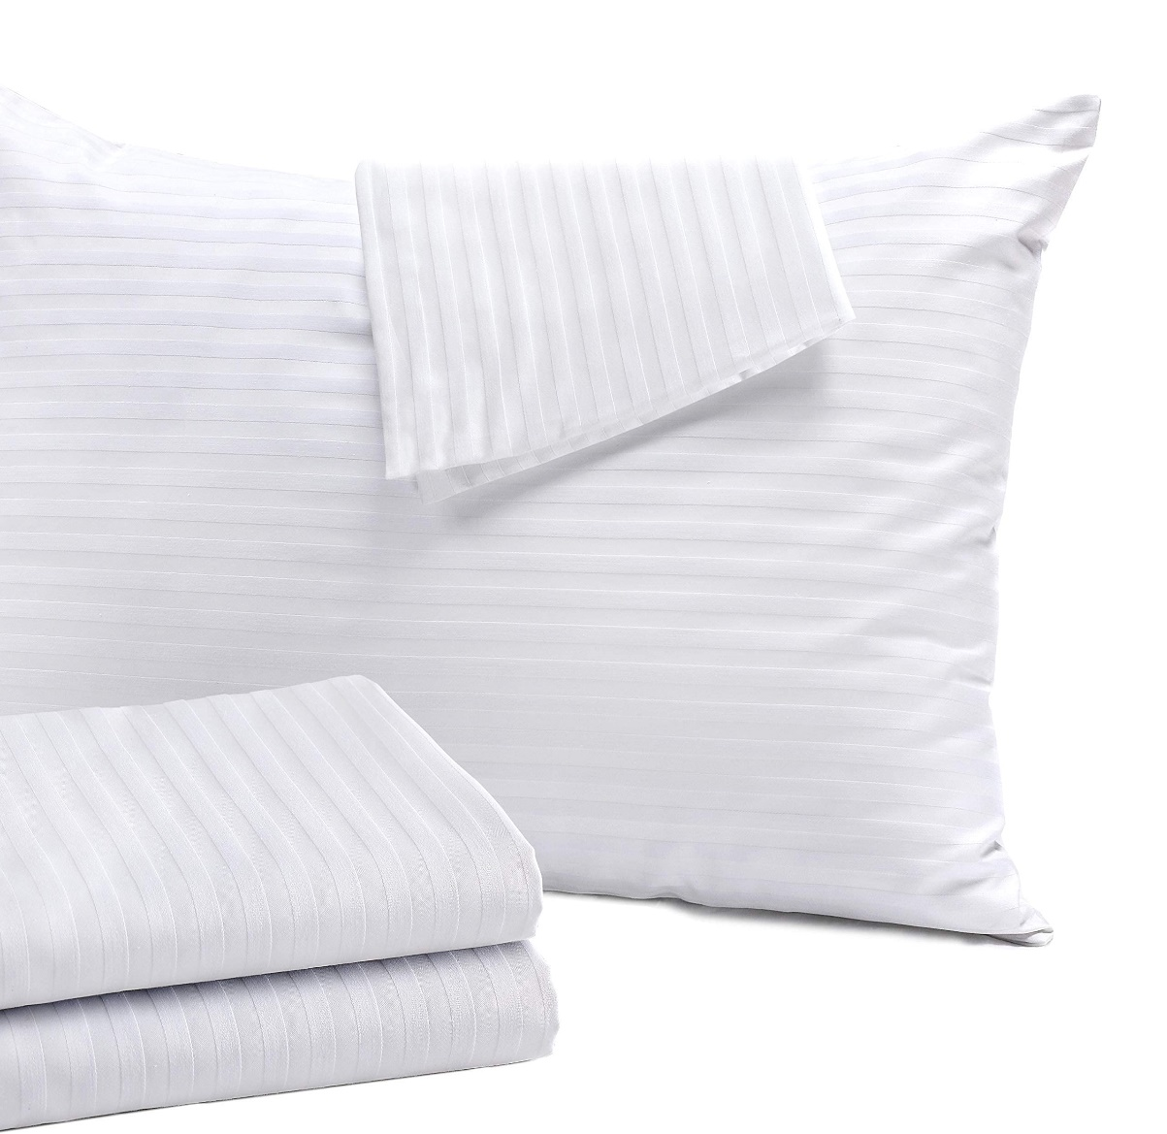
pillow protector | B072387KP9 | Niagara | https://m.media-amazon.com/images/I/81rCubirQIS.jpg |  | Niagara 4 Pack Standard Pillow Protectors with Zipper, Soft Quiet Cotton Sateen, Effective Dust Protection, Stay in Place Pillow Covers, Ideal for Home, Guests, Rentals (20x26 Inches) Standard 4 | A7-AP2V-9Q1A | 8438471839072 | SOFT & QUIET FABRIC: Our pillow case protector 4 pack is USA lab-certified. The zip up pillowcase is made from 50/50 cotton & polyester. Bed pillow covers have 5-star hotel quality. Cotton pillow protectors are non-noisy and don’t have any crinkly feeling. DUST PROTECTION: Each protector has 360 protection, keeping your pillows safe from dust, feathers, stains, and wear. These best pillow protectors zippered standard will keep your pillows clean and prolong their life. HIDDEN ZIPPER: Cotton pillow protectors zippered have a hidden zipper with an auto-locking slider. The protective pillow covers with zipper keep pillows safe from dust and dirt. PERFECT FIT: Our pillow protectors come in multiple different sizes so that you can find the right fit and make sure your pillows don’t slip. EASY TO CLEAN: Your 20-inch by 26-inch pillow protector won’t shrink after washing. These easy-to-clean cotton pillow protector covers are perfect for both home usage and for rental properties. Each pillow protector standard size is easy to use. | $6.28 | $12.99 | https://www.amazon.com/dp/B072387KP9 | Small Parcel | 0.75 | 0.31 | 0.46 | 0.23 | 3.45% |  | 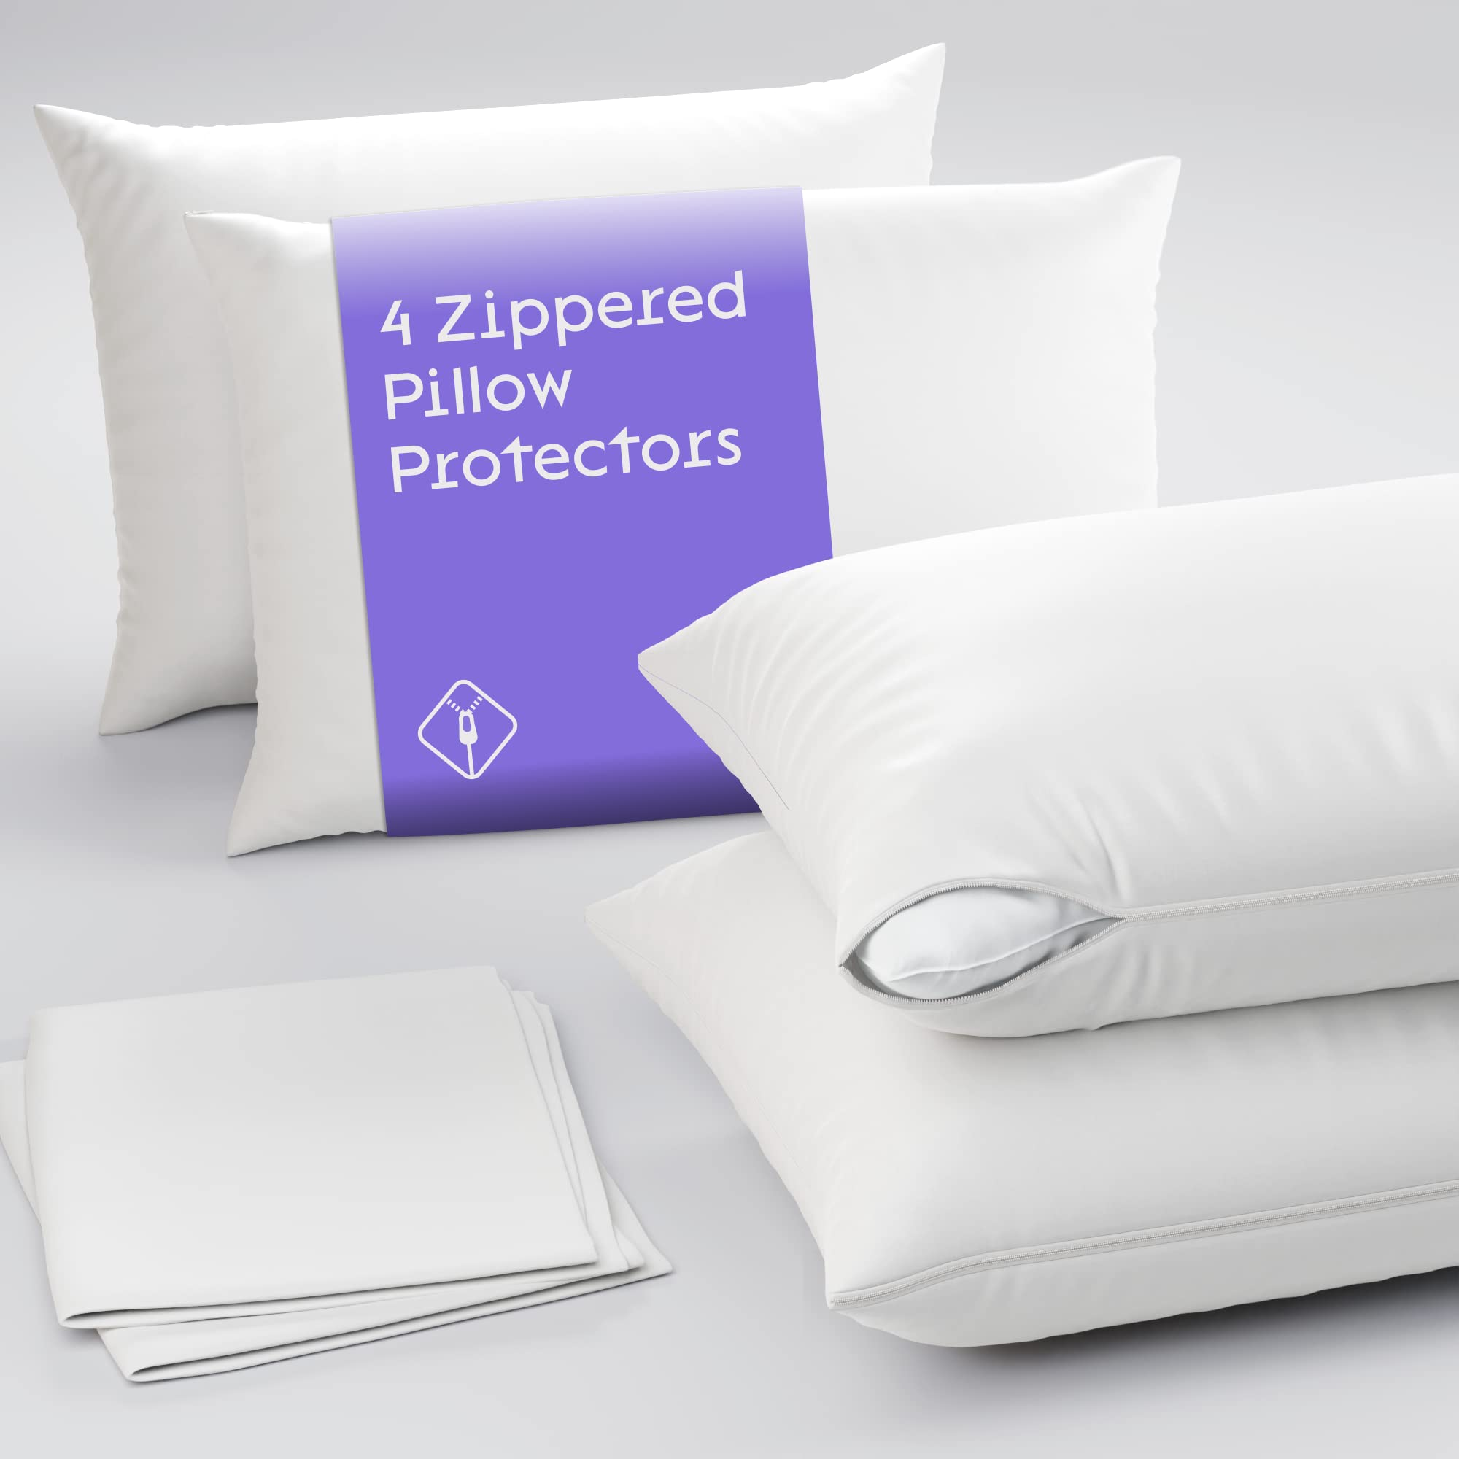
pillow protector | B0747LVR8B | Niagara | https://m.media-amazon.com/images/I/61UorZKN8HL.jpg |  | Niagara 4 Pack Waterproof Pillow Protectors Standard 20x26 Inches Smooth Zipper Premium Encasement Covers Quiet Cases Set White Standard 4 | #N/A | #N/A | 100% Waterproof Feather-Proof Zippered Protection – Jersey Knit Waterproof Pillow Protectors. This standard zipper set measures 20 x 26 inches and comes in a set of 4. The quiet protectors have microscopic pores in the 100% Waterproof Polyurethane membrane, providing protection from all liquids to keep your pillow safe from saliva, perspiration, stains, and anything wet. Makes Old Pillows New, Prolongs Pillows life: Value Deal of Waterproof Standard Pillow Protectors set of 4 Pack 20x26 Inches pillowcase cover encasement are breathable smooth polyester which is easy to clean. Pillow protectors standard size waterproof 2 pack and 4 pack are perfectly machine washable.Luxury pillow protectors with zipper has premium features of cotton pillow protectors. Breathable with Smooth Fabric – Made of Jersey Knit Waterproof Standard Pillow Covers 4 pack are Luxury waterproof pillow cases encasement are made in all sizes Standard 20" x 26", Jumbo / Standard 20" x 30", King 20" x 36" with smooth fabric top. Miracle membrane backing keeps body cool in summer and warm in winter. They come in pack of 2 and pack of 4 style. Premium Auto Lock Zipper: Waterproof Standard Bed Size Pillow Protectors 20x26 inches are made with premium zipper and auto lock slider that do not move on its own, preventing accidental opening of zipper. Zipper closure fully seals the pillow. Carefully stitched with an auto locking slider does not allow accidental opening of zipper. Making it perfect pillow encasement that guards against any thing that can spoil your night. Zipper closure fully seals the pillow. Satisfaction: We are confident about our products and they are backed by 30 days money back guarantee. | $7.70 | $11.99 | https://www.amazon.com/dp/B0747LVR8B | Small Parcel |  |  |  |  | 2.80% | 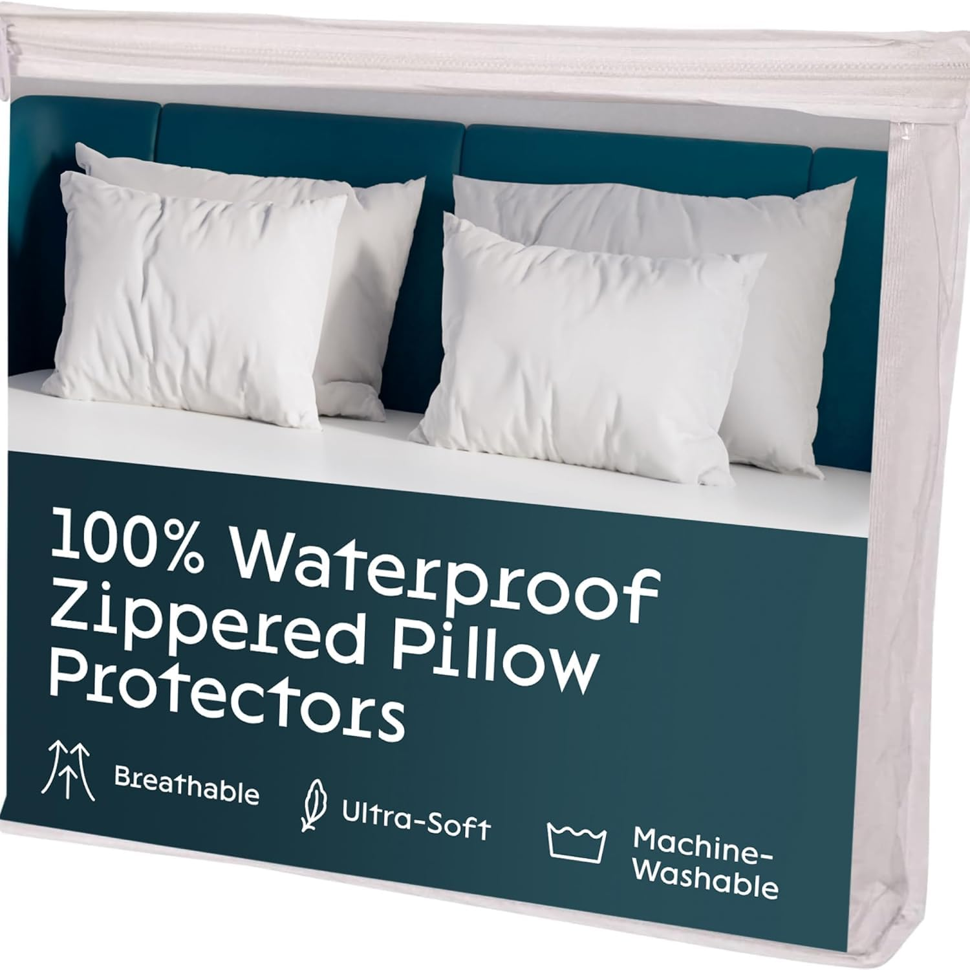
pillow protector | B07CZCMR8D | Niagara | https://m.media-amazon.com/images/I/61ELKQEAy8L.jpg |  | Niagara 4 Pack of Pillow Protectors with Zipper Queen Size, Effective Dust Protection, Quiet, Stay in Place Pillow Covers, Breathable Case for Pillow Lifespan Extension 20x30, White White Queen | 70-X27P-9Z41 | 5060545020906 | Prolongs Pillow Life Save from wear and tear: 4 Pack pillow protectors queen are made with high thread count , tight weave finest quality microfiber fabrics, to prolong the life of your expensive pillows. When you remove 4 pack pillow protectors for washing the pillows are almost new out of the covers.Pillow Protectors save the pillows from dirt as well as from wear and tear. Value Bundle of 4 Pack :Pillowcases Queen are cost effective solution for pillow protection .They are pack of 4 so plenty of them available every time.Plain weave pillow encasements ensures softness,smoothness and bed pillow covers are soft fabric pillow covers. Zippered Pillow Encasement :4 pack white Pillow Cases Protector Queen are made with heavy duty zipper, that keeps the pillow in place and prevent slipping put which is the case with envelope or open end pillow heim pillowcases. Breathable Fabric – Pillow Case Queen Covers are made of cooling microfiber which makes sleeper feel comfortable in bed, keeping cool in summer and warm in winter. Our Pillow cases pillow encasements are made in all sizes Standard 20" x 26", Jumbo / Queen 20" x 30", King 20" x 36" to create soft, and breathable and enhanced protection. Pillow cases come in 4 pack style queen pillow case covers | $5.60 | $16.99 | https://www.amazon.com/dp/B07CZCMR8D | Small Parcel | 0.9 | 12.99 | 11 | 0.6 | 2.02%
mattress topper | B08DXJXR9L | Niagara | https://m.media-amazon.com/images/I/61J6eauSP8S.jpg |  | Viscose Made from Bamboo Queen RV Mattress Topper - Thick Cooling Breathable Pillow Top Mattress Pad for Back Pain Relief - Deep Pocket Topper Fits 8-20 Inches Mattress, Green Green Queen RV | bam-queen-rv | 5060545020173 | ULTRA SOFT: Niagara Queen RV Mattress Topper is made from viscose made from bamboo fiber and fits mattresses 8-20 inches deep. The mattress topper queen is 60x75 inches in size, gentle on sensitive skin, environment-friendly, and ultra-soft. Enhance Your Mattress: Transforms your RV bed with breathable and comfortable padding, mimicking the luxury of a 5-star hotel. Cloud-Like Sleep: Provides extra cushioning that could alleviate back pain. It is cool, absorbs sweat well, and is chemical-free. Easy to Use: Comes with deep pockets and stretchy sides tailored for RV mattresses, ensuring a snug fit. It is machine washable and stays fluffy. Satisfaction Guaranteed: Offers a 100% satisfaction money-back guarantee. Sleep better in your RV starting tonight. | $21.88 | $39.99 | https://www.amazon.com/dp/B08DXJXR9L | Small Parcel |  |  |  |  | 1.81%
pillow protector | B07RX4Z94V | Niagara | https://m.media-amazon.com/images/I/61ELKQEAy8L.jpg |  | Niagara 4 Pack of Pillow Protectors with Zipper King Size, Effective Dust Protection, Quiet, Stay in Place Pillow Covers, Breathable Case for Pillow Lifespan Extension 20x36, White White King | 4H-NKZY-JRA3 | 5060545022566 | Prolongs Pillow Life Safe from wear and tear: 4 Pack pillow protectors king 20 x 36 inches size zippered set of 4 are made with high thread count , tight weave finest quality microfiber fabrics, to prolong the life of your expensive pillows. When you remove 4 pack pillow protectors king size with zipper for washing the pillows are almost new out of the covers.Pillow Protectors save the pillows from dirt as well as from wear and tear. Value Bundle of 4 Pack :Pillow Protectors are cost effective solution for pillow protection .They are pack of 4 so plenty of them available every time, also have pillow protectors king set of 2 option.Plain weave pillow encasements ensures softness,smoothness and bed pillow covers are soft fabric pillow covers. Zippered Pillow Encasement : Pillowcases King Size Set of 4 White are made with heavy duty zipper, that keeps the pillow in place and prevent slipping put which is not the case with envelope or open end pillow heim pillowcases. pillowcase king size set of 2 or 4 can be bought as per requirement. Extreme Soft Breathable Fabric – White Pillowcases King Size are made of brushed extreme soft heavy microfiber fabrics.Pillowcases King Size Zipper Covers are made of cooling microfiber which makes sleeper feel comfortable in bed, keeping cool in summer and warm in winter. Our Pillow cases pillow encasements are made in all sizes Standard 20" x 26", Jumbo / Queen 20" x 30", King 20 " x 36 " to create soft, and breathable and enhanced protection Guarantee: Our Microfiber White King pillowcase protectors 4 pack 4 pack are backed by guarantee against manufacturing defects. If pillowcases king white have any problem you can contact our customer service to get the problem fixed. | $7.03 | $17.99 | https://www.amazon.com/dp/B07RX4Z94V | Small Parcel |  |  |  |  | 1.43%
pillow protector | B079HYYVB3 | Niagara | https://m.media-amazon.com/images/I/71s41Poya+L.jpg |  | Niagara 4 Pack Waterproof Pillow Protectors Queen 20x30 Inches Smooth Zipper Premium Encasement Covers Quiet Cases Set White Queen 4 | Jpp4pkq | 5060545020548 | Jersey Knit 100% Waterproof Feather Proof Zippered Protection – Jersey Knit Waterproof Pillow Protectors. Queen zipper, 20 x 30 inches size, set of 4, quiet, have microscopic pores in the 100% Waterproof Polyurethane membrane providing protection from all other liquids to keep your pillow safe from saliva, perspiration, liquids, stains, sweats, and anything wet. Makes Old Pillows New, Prolongs Pillow's Life: Value Deal of Waterproof Queen Pillow Protectors set of 4 Pack, 20x30 Inches pillowcase cover encasements are breathable smooth polyester which is easy to clean. Pillow protectors queen size waterproof 2 pack and 4 pack are perfectly machine washable. Luxury pillow protectors with zipper have premium features of cotton pillow protectors. Breathable with Smooth Fabric: Made of Jersey Knit Waterproof Queen Pillow Covers 4 pack, Luxury waterproof pillowcase encasements are made in all sizes: Standard 20" x 26", Jumbo / Queen 20" x 30", King 20" x 36", with a smooth fabric top. Miracle membrane backing keeps the body cool in summer and warm in winter. They come in packs of 2 and packs of 4 style. Premium Auto Lock Zipper: Waterproof Queen Bed Size Pillow Protectors are made with a premium zipper and auto-lock slider that do not move on its own, preventing accidental opening of the zipper. Zipper closure fully seals the pillow. Carefully stitched with an auto-locking slider does not allow accidental opening of the zipper, making it the perfect pillow encasement that guards against anything that can spoil your night. Zipper closure fully seals the pillow. Satisfaction: We are confident about our products, and they are backed by a 30-day money-back guarantee. | $8.64 | $15.99 | https://www.amazon.com/dp/B079HYYVB3 | Small Parcel |  |  |  |  | 1.40% |  | 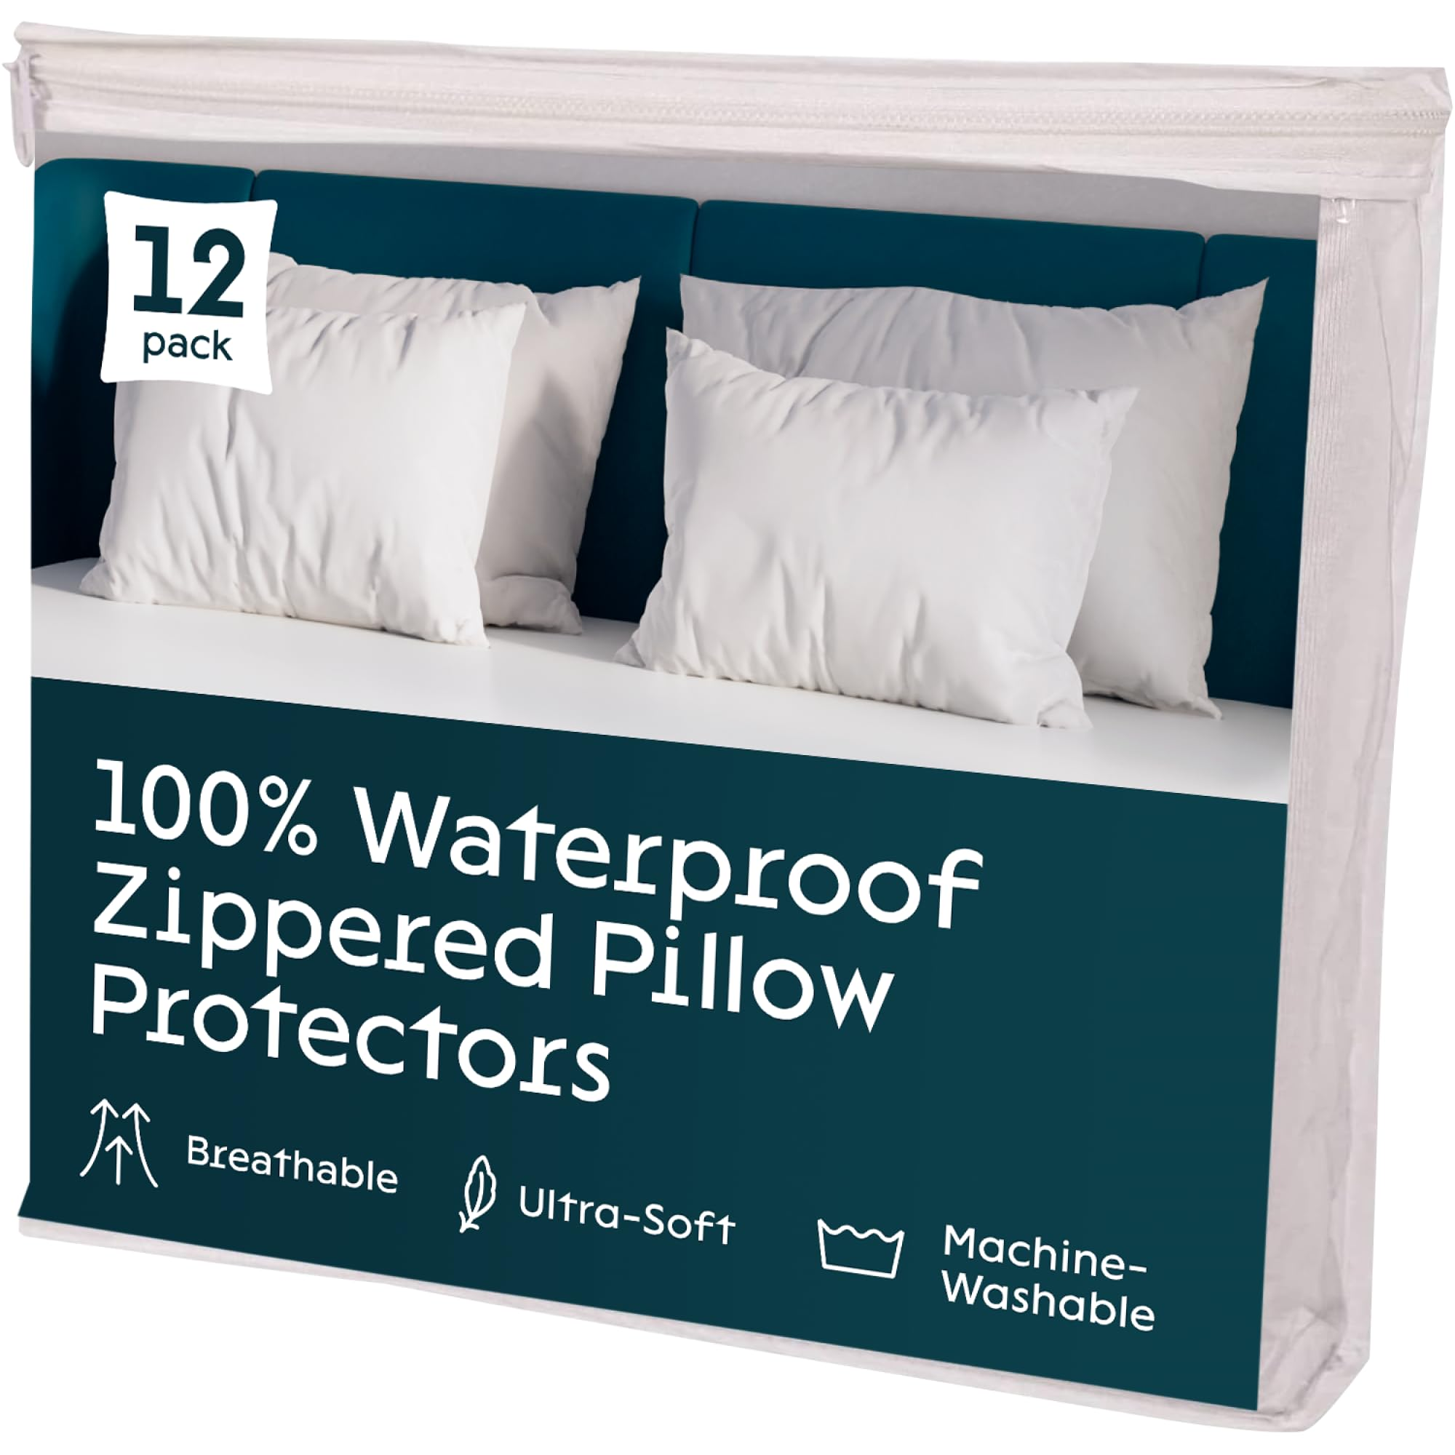
pillow protector | B07BCCJ18W | Niagara | https://m.media-amazon.com/images/I/71NoMTVOeWL.jpg |  | Niagara 4 Pack Waterproof Pillow Protectors King 20x36 Inches Smooth Zipper Premium Encasement Covers Quiet Cases Set White King 4 | Jpp4pkkb | 5060545020739 | Jersey Knit 100% Waterproof Feather Proof Zippered Protection – Jersey Knit Waterproof Pillow Protectors King bed size zipper 20 x 36 inches size set of 4 quiet have microscopic pores in the 100% Waterproof Polyurethane membrane provides protection from all other liquids to keep your pillow safe from Saliva, perspiration, liquids, stains, sweats and anything wet. Makes Old Pillows New, Prolongs Pillows life: Value Deal of Waterproof King Pillow Protectors set of 4 Pack 20x26 Inches pillowcase cover encasement are breathable smooth polyester which is easy to clean. Pillow protectors king size waterproof 2 pack and 4 pack are perfectly machine washable. Luxury pillow protectors with zipper has premium features of cotton pillow protectors. Breathable with Smooth Fabric – Made of Jersey Knit Waterproof King Pillow Covers 4 pack are Luxury waterproof pillow cases encasement are made in all sizes King 20" x 36" with smooth fabric top. Miracle membrane backing keeps body cool in summer and warm in winter. They come in pack of 2 and pack of 4 style. Premium Auto Lock Zipper: Waterproof King Bed Size Pillow Protectors 20x36 inches are made with premium zipper and auto lock slider that do not move on its own, preventing accidental opening of zipper. Zipper closure fully seals the pillow. .Carefully stitched with an auto locking slider does not allow accidental opening of zipper. Making it perfect pillow encasement that guards against any thing that can spoil your night. Zipper closure fully seals the pillow. Satisfaction: We are confident about our products and they are backed by 30 days money back guarantee. | $8.28 | $16.99 | https://www.amazon.com/dp/B07BCCJ18W | Small Parcel |  |  |  |  | 1.39%
mattress topper | B0C78DBJLJ | Niagara | https://m.media-amazon.com/images/I/7143F-dalYL.jpg |  | Viscose Made from Bamboo Queen Mattress Topper - Thick Cooling Breathable Pillow Top Mattress Pad for Back Pain Relief - Deep Pocket Topper Fits 8-20 Inches Mattress, White White Queen | GZ-33XH-312L-UPC |  | ULTRA SOFT: Niagara Queen Mattress Topper is made from viscose made from bamboo fiber and fits mattresses 8-20 inches deep. The mattress topper queen is 60x80 inches in size, gentle on sensitive skin, environment-friendly, and ultra-soft. Enhance Your Mattress: Transform your old mattress into a breathable, comfortable sleep surface that feels like a premium hotel. Cloud-Like Sleep: Provides additional cushioning, potentially easing back pain, and keeps you cool and dry. Easy to Use: Easy to install with deep pockets and extra-length sides that fit thick queen mattresses. Machine washable. Satisfaction Guaranteed: A money-back guarantee assures your complete satisfaction with this eco-friendly upgrade. | $28.87 | $56.99 | https://www.amazon.com/dp/B0C78DBJLJ | Small Parcel | 5.36 | 14.76 | 11.61 | 4.53 | 1.34%
pillow protector | B0747M5BFS | Niagara | https://m.media-amazon.com/images/I/81cIxWQM4qL.jpg |  | Niagara 4 Pack Queen Pillow Protectors with Zipper, Soft Quiet Cotton Sateen, Effective Dust Protection, Stay in Place Pillow Covers, Ideal for Home, Guests, Rentals (20x30 Inches) Queen 4 | Queen4pkcs | 5060545020142 | SOFT & QUIET FABRIC: Our pillow case protector 4 pack is USA lab-certified. The zip up pillowcase is made from 50/50 cotton & polyester. Bed pillow covers have 5-star hotel quality. Cotton pillow protectors are non-noisy and don’t have any crinkly feeling. DUST PROTECTION: Each protector has 360 protection, keeping your pillows safe from dust, feathers, stains, and wear. These best pillow protectors zippered queen will keep your pillows clean and prolong their life. HIDDEN ZIPPER: Cotton pillow protectors zippered have a hidden zipper with an auto-locking slider. The protective pillow covers with zipper keep pillows safe from dust and dirt. PERFECT FIT: Our pillow protectors come in multiple different sizes so that you can find the right fit and make sure your pillows don’t slip. EASY TO CLEAN: Your 20-inch by 30-inch pillow protector won’t shrink after washing. These easy-to-clean cotton pillow protector covers are perfect for both home usage and for rental properties. Each pillow protector standard size is easy to use. | $7.06 | $17.99 | https://www.amazon.com/dp/B0747M5BFS | Small Parcel |  |  |  |  | 1.21%
mattress topper | B0CBSQ1HKN | Niagara | https://m.media-amazon.com/images/I/7143F-dalYL.jpg |  | Viscose Made from Bamboo Twin XL Mattress Topper - Thick Cooling Breathable Pillow Top Mattress Pad for Back Pain Relief - Deep Pocket Topper Fits 8-20 Inches Mattress, White White Twin XL | KR-MQCT-6CDM-UPC |  | ULTRA SOFT: Niagara Twin Mattress Pad is made from viscose made from bamboo fiber and fits mattresses 8-20 inches deep. The mattress topper twin is gentle on sensitive skin, elastic, environment-friendly, and ultra-soft. ENHANCE YOUR MATTRESS: This mattress pad twin brings 5-star hotel quality to your old mattress. The twin size mattress topper is 39x75 in size, breathable, and comfortable. CLOUD-LIKE SLEEP: Our twin bed mattress topper adds an extra cushion to potentially ease back pain. The twin bed topper is cool, sweat-absorbent, and has no chemicals like latex or formaldehyde. EASY TO USE: The pillow top mattress topper twin has a deep pocket, is easy to put on, and has extra-length stretchy sides for thick mattresses. The twin topper is machine-washable and is fluffy after drying. SATISFACTION: Get 100% satisfaction with the viscose made from bamboo mattress topper. This twin size mattress pad has a money-back guarantee. Enjoy sound sleep today with a bed topper twin! | $21.26 | $40.99 | https://www.amazon.com/dp/B0CBSQ1HKN | Small Parcel | 3.68 | 14.76 | 11.61 | 3.54 | 1.20%
mattress topper | B0C78DRVZM | Niagara | https://m.media-amazon.com/images/I/7143F-dalYL.jpg |  | Viscose Made from Bamboo Full Mattress Topper - Thick Cooling Breathable Pillow Top Mattress Pad for Back Pain Relief - Deep Pocket Topper Fits 8-20 Inches Mattress, White White Full | 8O-4W54-3Z9V-UPC |  | ULTRA SOFT: Niagara Cooling Mattress is made from viscose made from bamboo fiber and fits mattresses 8-20 inches deep. This cooling pad for bed gentle on sensitive skin, elastic, environment-friendly, and ultra-soft in touch. ENHANCE YOUR MATTRESS: This full size padded mattress topper brings 5-star hotel quality to your bedroom. The mattress topper firm is 54x75 inches in size, comfortable, and breathable. CLOUD-LIKE SLEEP: Our cooling bed pad adds an extra cushion to potentially ease back pain. The organic mattress topper is cool, sweat-absorbent, and has no harsh chemicals like latex or formaldehyde. EASY TO USE: Our active cooling mattress topper has a deep pocket and has stretchy sides to help put on thick mattresses. The hard mattress topper is machine-washable and dries fluffy, so bedsheets won’t slide off. SATISFACTION: Get 100% satisfaction with the best price mattress topper. Our pull out mattress topper has a money-back guarantee. Enjoy sound sleep today with a hard topper! | $30.19 | $57.99 | https://www.amazon.com/dp/B0C78DRVZM | Small Parcel | 4.56 | 14.76 | 11.61 | 4.53 | 1.11%
mattress topper | B0C78FYG8Z | Niagara | https://m.media-amazon.com/images/I/7143F-dalYL.jpg |  | Viscose Made from Bamboo Twin Mattress Topper - Thick Cooling Breathable Pillow Top Mattress Pad for Back Pain Relief - Deep Pocket Topper Fits 8-20 Inches Mattress, White White Twin | N4-DWL4-R35B-UPC |  | ULTRA SOFT: Niagara Twin Mattress Pad is made from viscose made from bamboo fiber and fits mattresses 8-20 inches deep. The mattress topper twin is gentle on sensitive skin, elastic, environment-friendly, and ultra-soft. ENHANCE YOUR MATTRESS: This mattress pad twin brings 5-star hotel quality to your old mattress. The twin size mattress topper is 39x75 in size, breathable, and comfortable. CLOUD-LIKE SLEEP: Our twin bed mattress topper adds an extra cushion to potentially ease back pain. The twin bed topper is cool, sweat-absorbent, and has no chemicals like latex or formaldehyde. EASY TO USE: The pillow top mattress topper twin has a deep pocket, is easy to put on, and has extra-length stretchy sides for thick mattresses. The twin topper is machine-washable and is fluffy after drying. SATISFACTION: Get 100% satisfaction with the viscose made from bamboo mattress topper. This twin size mattress pad has a money-back guarantee. Enjoy sound sleep today with a bed topper twin! | $28.41 | $45.99 | https://www.amazon.com/dp/B0C78FYG8Z | Small Parcel | 3.22 | 14.76 | 11.61 | 3.54 | 1.04% |  |  | 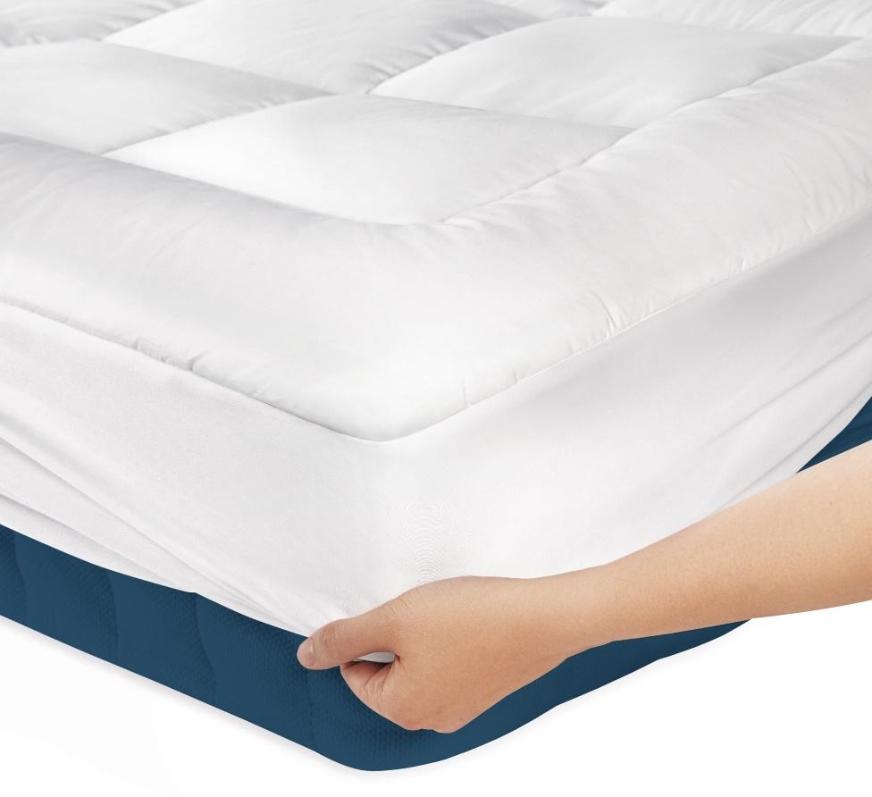
pillow protector | B0747Q9JBN | Niagara | https://m.media-amazon.com/images/I/71sP+s64uVL.jpg |  | Niagara 4 Pack King Pillow Protectors with Zipper, Soft Quiet Cotton Sateen, Effective Dust Protection, Stay in Place Pillow Covers, Ideal for Home, Guests, Rentals (20x36 Inches) King 4 | 4pkcskb | 5060545020159 | SOFT & QUIET FABRIC: Our pillow case protector 4 pack is USA lab-certified. The zip up pillowcase is made from 50/50 cotton & polyester. Bed pillow covers have 5-star hotel quality. Cotton pillow protectors are non-noisy and don’t have any crinkly feeling. DUST PROTECTION: Each protector has 360 protection, keeping your pillows safe from dust, feathers, stains, and wear. These best pillow protectors zippered king will keep your pillows clean and prolong their life. HIDDEN ZIPPER: Cotton pillow protectors zippered have a hidden zipper with an auto-locking slider. The protective pillow covers with zipper keep pillows safe from dust and dirt. PERFECT FIT: Our pillow protectors come in multiple different sizes so that you can find the right fit and make sure your pillows don’t slip. EASY TO CLEAN: Your 20-inch by 36-inch pillow protector won’t shrink after washing. These easy-to-clean cotton pillow protector covers are perfect for both home usage and for rental properties. Each pillow protector standard size is easy to use. | $8.87 | $20.99 | https://www.amazon.com/dp/B0747Q9JBN | Small Parcel | 1.26 | 13 | 11 | 0.79 | 0.96% |  |  | 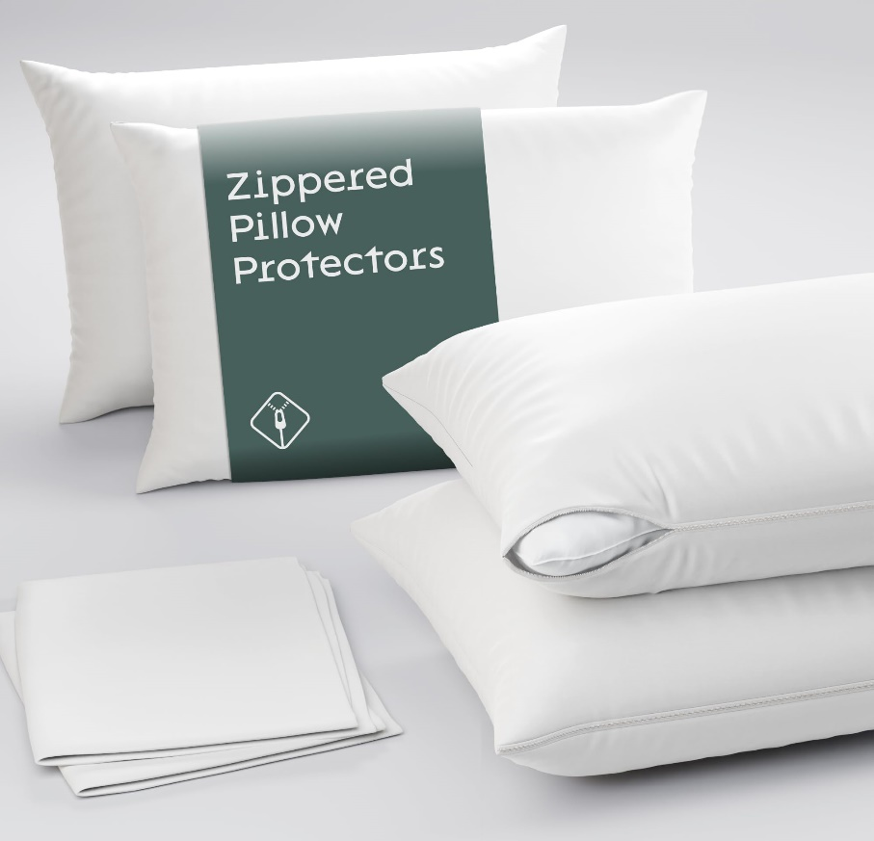
mattress topper | B0C78C6MHR | Niagara | https://m.media-amazon.com/images/I/7143F-dalYL.jpg |  | Viscose Made from Bamboo King Mattress Topper - Thick Cooling Breathable Pillow Top Mattress Pad for Back Pain Relief - Deep Pocket Topper Fits 8-20 Inches Mattress, White White King | IL-46P7-LZ4H-UPC |  | ULTRA SOFT: Niagara Mattress Topper is made from viscose made from bamboo fiber and fits mattresses 8-20 inches deep. The cooling pad for bed is 78x80 inches in size, gentle on sensitive skin, elastic and environment-friendly. Enhance Your Mattress: Upgrades your sleep experience to that of a premium hotel, with breathable and comfortable fabric. Cloud-Like Sleep: Extra cushioning provides potential back pain relief; cool to touch and excellent in absorbing moisture. Easy to Use: Equipped with deep pockets and extra stretchy sides to fit thick king mattresses easily. Machine washable and remains fluffy. Satisfaction Guaranteed: Backed by a 100% satisfaction money-back guarantee, ensuring your utmost contentment. | $36.47 | $69.99 | https://www.amazon.com/dp/B0C78C6MHR | Small Parcel | 7.32 | 14.76 | 11.61 | 5.51 | 0.95%
mattress topper | B0831L9J53 | Niagara | https://m.media-amazon.com/images/I/61GZUD9BIrS.jpg |  | Viscose Made from Bamboo Full XL Mattress Topper - Thick Cooling Breathable Pillow Top Mattress Pad for Back Pain Relief - Deep Pocket Topper Fits 8-20 Inches Mattress Green Full XL | WA-G6BQ-JQRY | 5060545023273 | ULTRA SOFT: Niagara Mattress Topper is made from viscose made from bamboo fiber and fits mattresses 8-20 inches deep. The cooling pad for bed is gentle on sensitive skin, elastic, environment-friendly, and ultra-soft. ENHANCE YOUR MATTRESS: This cooling mattress brings 5-star hotel quality to your old mattress. The mattress topper extra firm is breathable and extremely soft. This full size padded mattress topper is 54x80 inches. CLOUD-LIKE SLEEP: Our mattress topper firm adds an extra cushion to potentially ease back pain. The non toxic mattress topper is cool, sweat-absorbent, and has no chemicals like latex or formaldehyde. EASY TO USE: The cooling bed pad has a deep pocket, is easy to put on, and has extra-length stretchy sides for thick mattresses. The organic mattress topper is machine-washable and is nice and fluffy after drying. SATISFACTION: Get 100% satisfaction with the active cooling mattress topper. This hard mattress topper has a money-back guarantee. Enjoy sound sleep today with a hard topper! | $20.21 | $49.99 | https://www.amazon.com/dp/B0831L9J53 | Small Parcel |  |  |  |  | 0.92% |  | 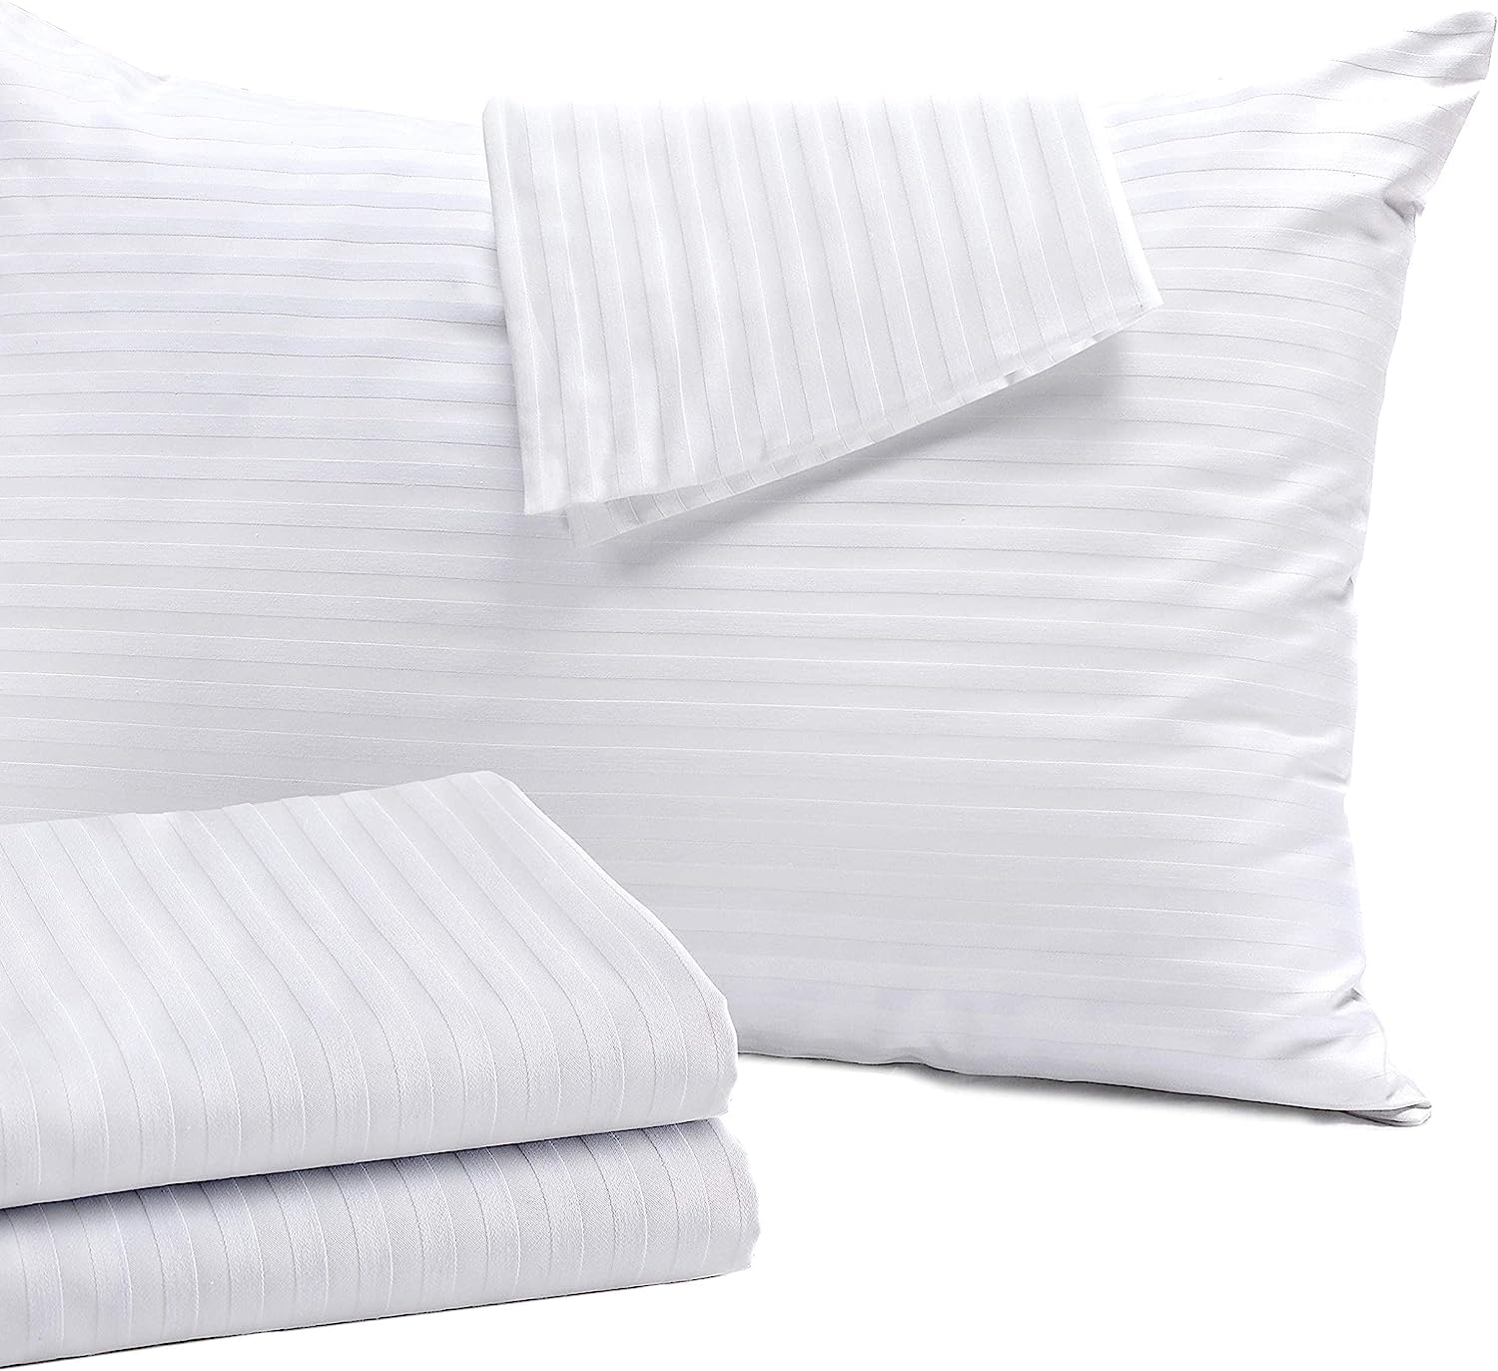
pillow protector | B081TZRYQF | Niagara | https://m.media-amazon.com/images/I/61tuZxwC9eL.jpg |  | Niagara 4 Pack of Pillow Protectors with Zipper Standard Size, Effective Dust Protection, Quiet, Stay in Place Pillow Covers, Breathable Case for Pillow Lifespan Extension 20x26, Gray Gray Standard | RE-83BC-7Q2N | 5060545023150 | Hair & Skin Care: Say good bye to messy hair, our luxury hidden zip standard pillow protectors with zip 4 pack reduces friction between the hair and bed sheet,reducing fuzzy hair and prolongs hair shine.It also help in reducing wrinkles on the skin,help retain moisture ,making the skin more soft. Zippered Pillow Encasement: 4 Pack standard pillowcases are cost effective solution for pillow protection. Grey Pillow Cases have heavy duty zipper, that keeps the pillow in place and prevent slipping put which is the case with envelope or open end pillow heim pillowcases.Pillow Cases are easy to use with strong zipper. It also help reduces the respiratory irritation. Premium Quality Grey Pillow Cases Standard Size 4 Pack with zipper Extreme Soft -Our Ultra Soft Cooling pillow protectors dark grey zippered microfiber 4 pack are quality pillow covers. Plain weave pillow encasements ensures softness, smoothness and bed pillow protectors are soft fabric pillow covers. Fade, Wrinkle & Stain Resistant Satisfaction : We are confident about our products and they are backed by 30 days money back guarantee. | $6.61 | $12.99 | https://www.amazon.com/dp/B081TZRYQF | Small Parcel |  |  |  |  | 0.87%
mattress protector | B07QDCK2LC | Niagara | https://m.media-amazon.com/images/I/61vquM0T-1L.jpg |  | Niagara Cotton Mattress Protector Queen 60x80 Non Noisy Cooling Breathable Ultra Plush Absorbent Extra Deep Fits 20 Inches Deep Mattress Queen Cotton | AI-QHMP-QBQT | 5060545022467 | 100% Cotton Fabric: Quilted Queen Bed Size Mattress Protector is made with high thread count natural 100% Premium Cotton fabric that is good for skin. Adds Cushion to Mattress: Queen Size quilted mattress protector is made with polyester filling that adds cushion to the mattress ,makes hard mattress soft and easy to sleep adds a layer of solace between the mattress and the sleeper. Deep pockets Tight Fitting: Quilted Mattress Pad is made with fabric skirt, that can bear wear and tear and 100s of washings. It also prevent it from slippeing or shifting throughout the night as well as it contribute towards the longevity of your mattress.It fits like a glove. Breathable: Quilted Mattress protector Queen bed size is breathable keeping it cool in summer and warm in winter. Prolongs Mattress Life: Cotton Quilted Mattress Pad saves the mattress from dust and wear and tear , after removing it from the mattress you will find your mattress to be new. | $14.54 | $27.99 | https://www.amazon.com/dp/B07QDCK2LC | Small Parcel |  |  |  |  | 0.85%
mattress topper | B0831LZ5CJ | Niagara | https://m.media-amazon.com/images/I/71uWv0uXaWL.jpg |  | Viscose Made from Bamboo California King Mattress Topper - Thick Cooling Breathable Pillow Top Mattress Pad for Back Pain Relief - Deep Pocket Topper Fits 8-20 Inches Mattress, Green Green California King | VY-MTSF-8907 |  | ULTRA SOFT: Niagara Calif King Mattress Topper is made from viscose made from bamboo fiber and fits mattresses 8-20 inches deep. The cooling pad for bed is gentle on sensitive skin, elastic, environment-friendly, and ultra-soft. ENHANCE YOUR MATTRESS: This cooling mattress brings 5-star hotel quality to your old mattress. The mattress topper firm is comfortable, breathable, and extremely soft. This viscose made from bamboo mattress topper is 72x84 inches. CLOUD-LIKE SLEEP: Our cooling bed pad adds an extra cushion to potentially ease back pain. The organic mattress topper is cool, sweat-absorbent, and has no chemicals like latex or formaldehyde. EASY TO USE: The hard topper has a deep pocket, is easy to put on, and has stretchy sides for thick mattresses. Our mattress toppers are machine-washable. This puffy mattress topper doesn’t have loose threads and is nice and fluffy after drying. SATISFACTION: Get 100% satisfaction with the best price mattress topper. Our compact mattress topper has a money-back guarantee. Enjoy sound sleep today with a hard mattress topper! | $37.03 | $65.99 | https://www.amazon.com/dp/B0831LZ5CJ | Small Parcel | 6.83 | 16.54 | 12.6 | 7.09 | 0.82% |  | 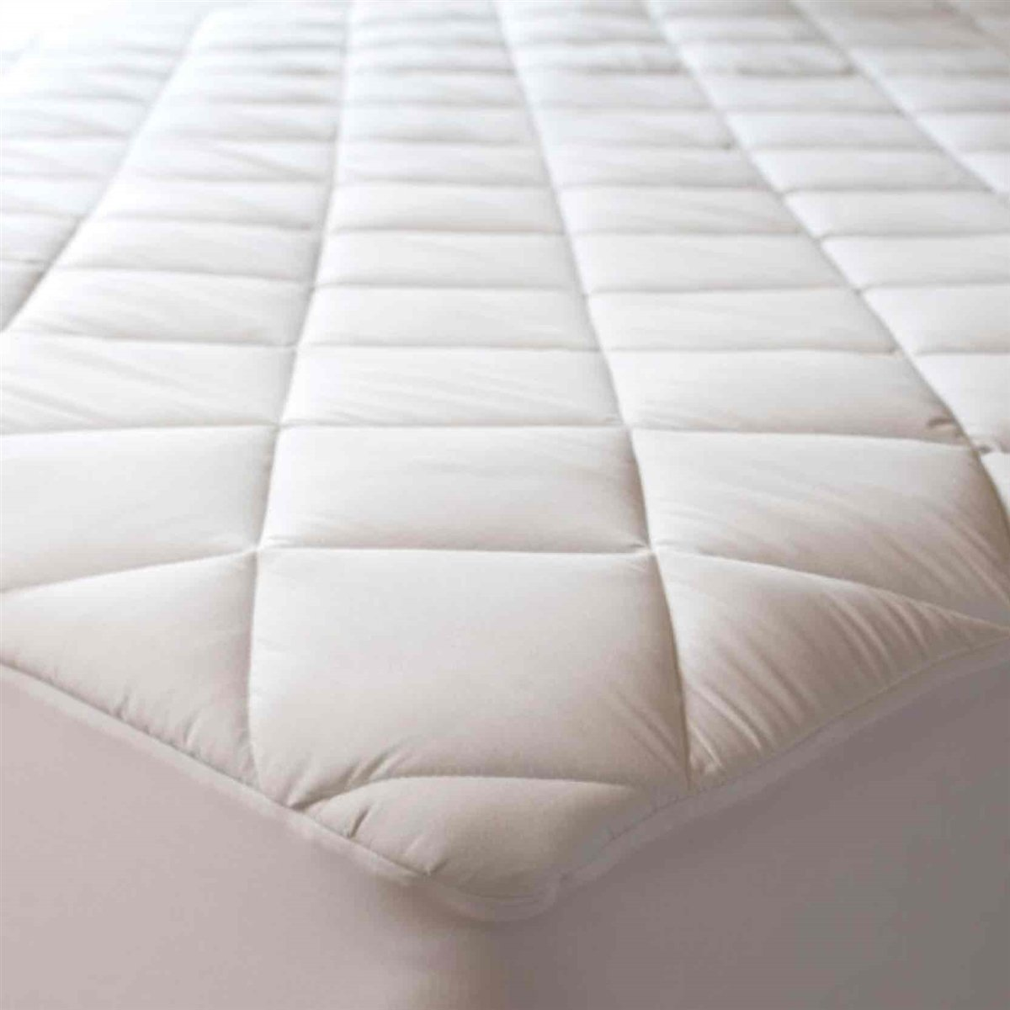
pillow protector | B07RX652P3 | Niagara | https://m.media-amazon.com/images/I/61m80N44gpL.jpg |  | Niagara 8 Pack of Pillow Protectors with Zipper Standard Size, Effective Dust Protection, Quiet, Stay in Place Pillow Covers, Breathable Case for Pillow Lifespan Extension 20x26, White Standard 8 | MK-11JM-AY3F | 5060545022559 | Ease Respiratory Irritations Set of 8 White Zippered Pillow Protectors easy to use as made with strong zippper .It also help reduces the respiratory irritaion . Prolongs Pillow Life Safe from wear and tear: 8 Pack pillow protectors standard bed size white 20 x 26 inches zippered are made with high thread count , tight weave finest quality microfiber fabrics, to prolong the life of your expensive pillows. When you remove 4 pack pillow protectors king size with zipper for washing the pillows are almost new out of the covers.Pillow Protectors save the pillows from dirt as well as from wear and tear. Zippered Pillow Encasement :8 Pack pillowcases are cost effective solution for pillow protection. White Pillow Cases Standard size have heavy duty zipper, that keeps the pillow in place and prevent slipping out which is the case with envelope or open end pillow heim pillowcases. Breathable Extreme Soft Fabric – Pillow Case Covers standard size white are made of cooling microfiber which makes sleeper feel comfortable in bed, keeping cool in summer and warm in winter. Our Pillow protector pillow encasements are made in all sizes Standard 20" x 26", Jumbo / Queen 20" x 30", King 20" x 36" to create soft, and breathable and enhanced protection. Pillow case protectors come in 4 pack style queen pillow case covers Satisfaction : We are confident about our products and they are backed by 30 days money back guarantee. | $8.40 | $15.99 | https://www.amazon.com/dp/B07RX652P3 | Small Parcel | 1.43 | 11.81 | 14.96 | 0.98 | 0.61% |  | 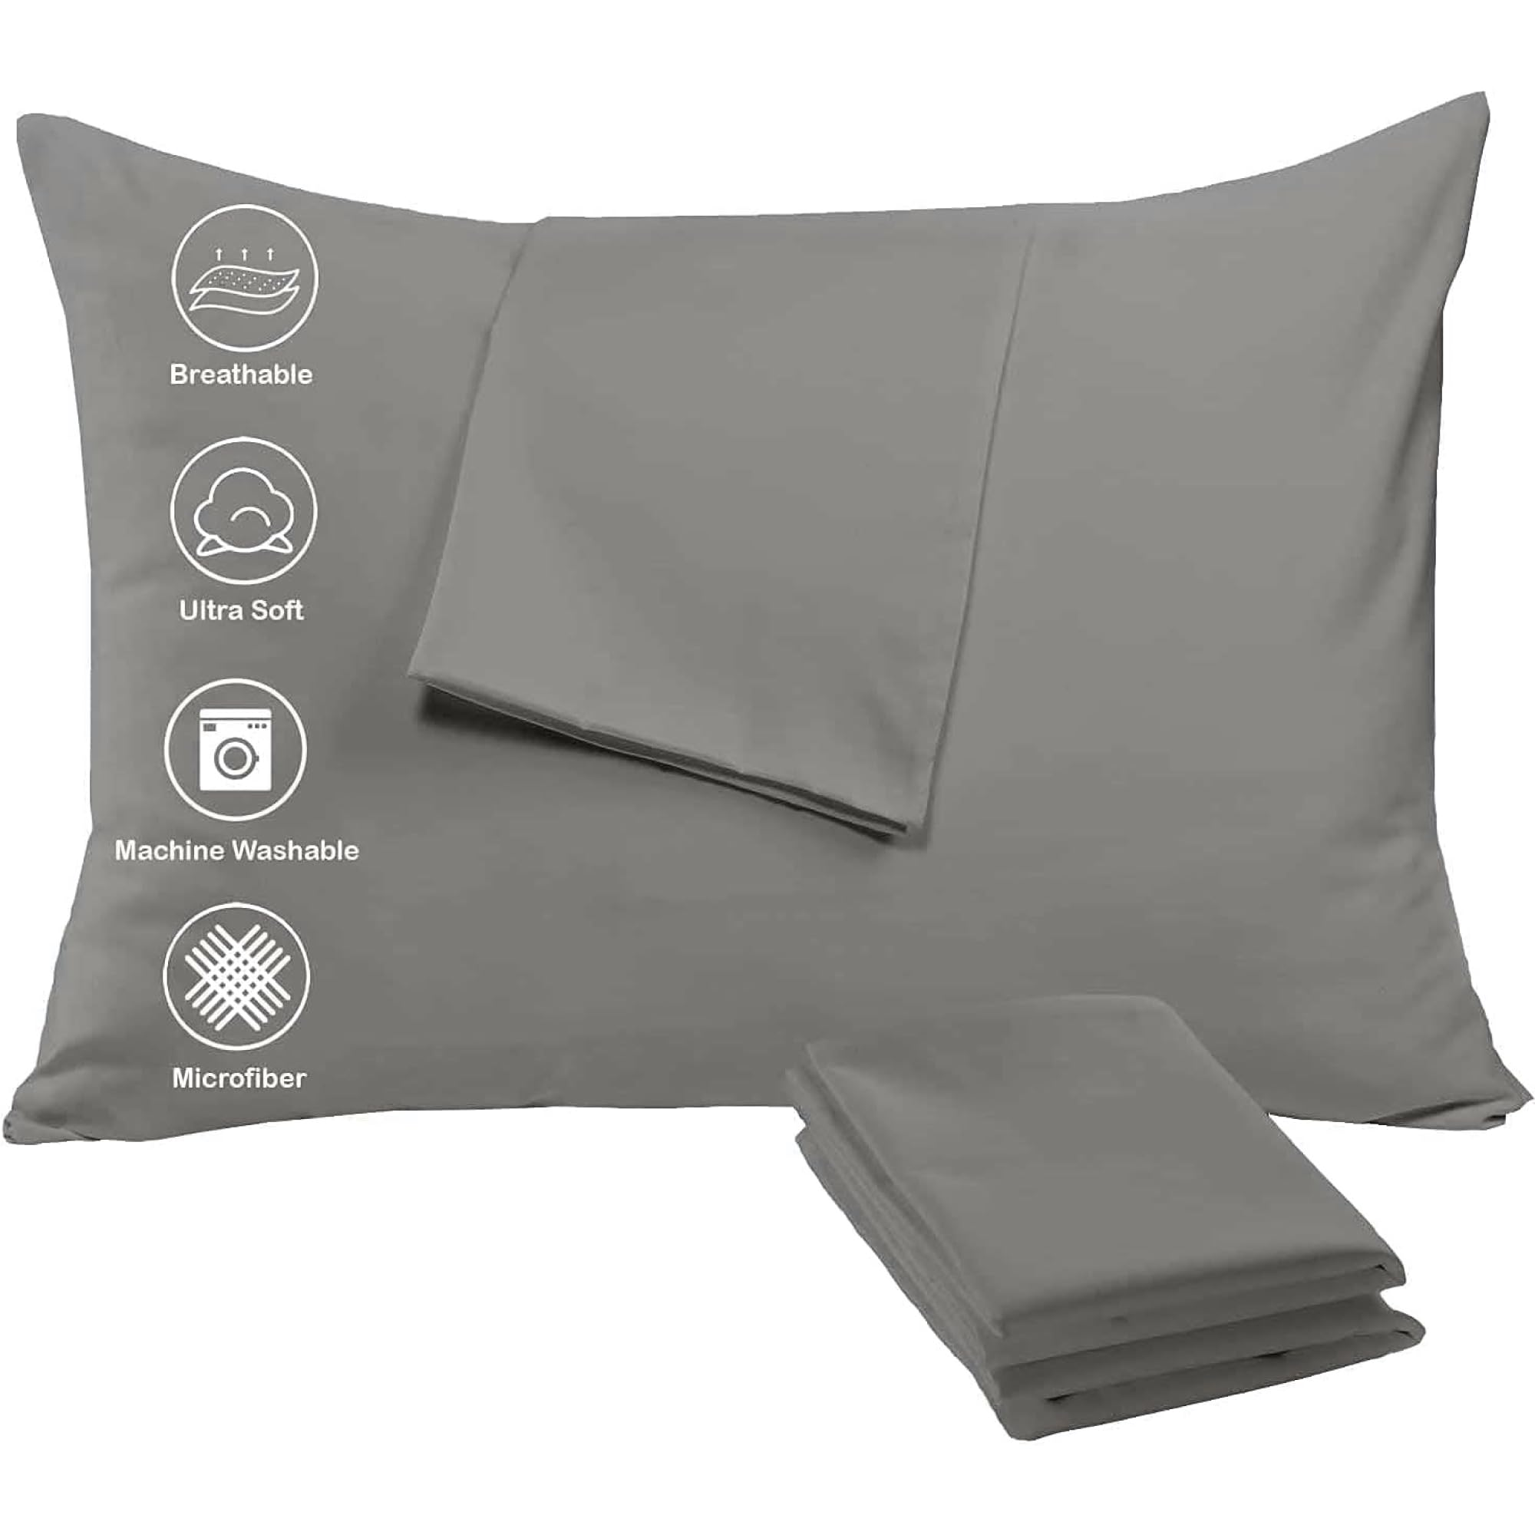
pillow protector | B076ZDPHTC | Niagara | https://m.media-amazon.com/images/I/81PPbzbXgUL.jpg |  | Niagara 8 Pack Standard Pillow Protectors with Zipper, Soft Quiet Cotton Sateen, Effective Dust Protection, Stay in Place Pillow Covers, Ideal for Home, Guests, Rentals (20x26 Inches) Standard 8 | 8pkcs-std | 5060545020463 | SOFT & QUIET FABRIC: Our pillow case protector 8 pack is USA lab-certified. The zip up pillowcase is made from 50/50 cotton & polyester. Bed pillow covers have 5-star hotel quality. Cotton pillow protectors are non-noisy and don’t have any crinkly feeling. DUST PROTECTION: Each protector has 360 protection, keeping your pillows safe from dust, feathers, stains, and wear. These best pillow protectors zippered standard will keep your pillows clean and prolong their life. HIDDEN ZIPPER: Cotton pillow protectors zippered have a hidden zipper with an auto-locking slider. The protective pillow covers with zipper keep pillows safe from dust and dirt. PERFECT FIT: Our pillow protectors come in multiple different sizes so that you can find the right fit and make sure your pillows don’t slip. EASY TO CLEAN: Your 20-inch by 26-inch pillow protector won’t shrink after washing. These easy-to-clean cotton pillow protector covers are perfect for both home usage and for rental properties. Each pillow protector standard size is easy to use. | $11.80 | $21.99 | https://www.amazon.com/dp/B076ZDPHTC | Small Parcel |  |  |  |  | 0.58% | 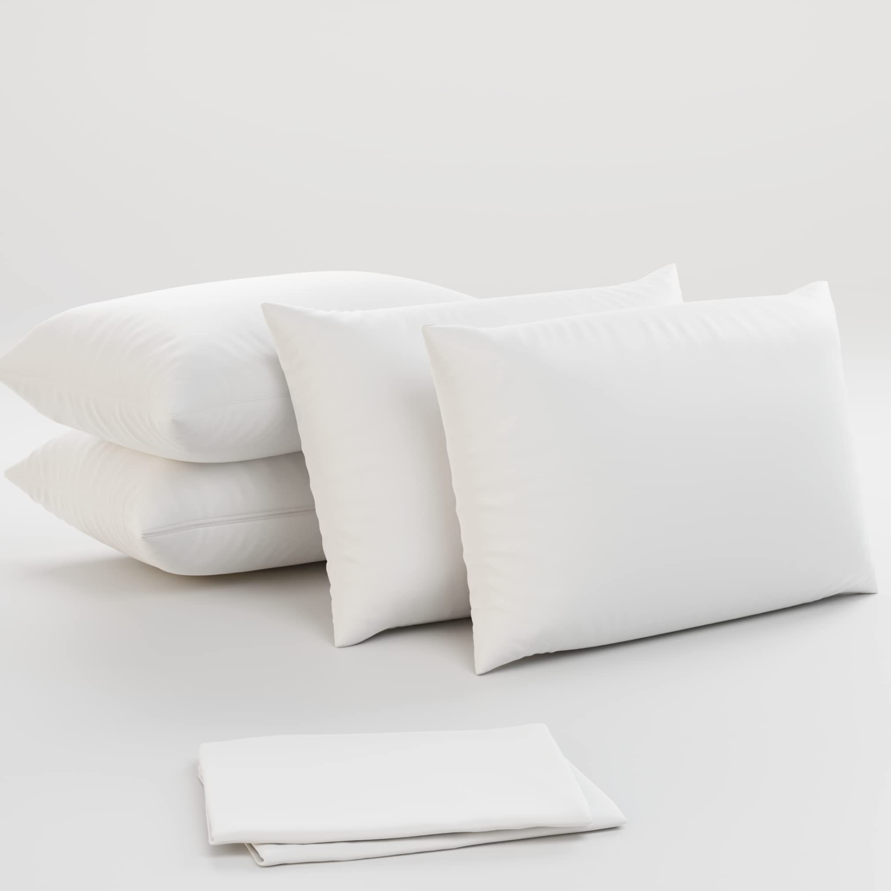
pillow protector | B076QGBRLN | Niagara | https://m.media-amazon.com/images/I/514Qs-QDAjL.jpg |  | Niagara 4 Pack Standard Pillow Protectors with Zipper, Premium Cotton Sateen Blend Tight Weave Lab Tested Non Noisy Zip Covers Breathable Non Crinky (20x26 Inches) Standard 4 | KW-1BKR-11BF | 5060545020357 | 50% Cotton 50% Polyester SOFT & QUIET FABRIC: Our pillow case protector 4 pack is USA lab-certified. The zip up pillowcase is made from 50/50 cotton & polyester. Bed pillow covers have 5-star hotel quality. Cotton pillow protectors are non-noisy and don’t have any crinkly feeling. DUST PROTECTION: Each protector has 360 protection, keeping your pillows safe from dust, feathers, stains, and wear. These best pillow protectors zippered queen will keep your pillows clean and prolong their life. HIDDEN ZIPPER: Cotton pillow protectors zippered have a hidden zipper with an auto-locking slider. The protective pillow covers with zipper keep pillows safe from dust and dirt. PERFECT FIT: Our pillow protectors come in multiple different sizes so that you can find the right fit and make sure your pillows don’t slip. EASY TO CLEAN: Your 20-inch by 30-inch pillow protector won’t shrink after washing. These easy-to-clean cotton pillow protector covers are perfect for both home usage and for rental properties. Each pillow protector standard size is easy to use. | $4.88 | $8.99 | https://www.amazon.com/dp/B076QGBRLN | Small Parcel |  |  |  |  | 0.43%
mattress protector | B0CB7186VT | Niagara | https://m.media-amazon.com/images/I/81JFjELMI7L.jpg |  | Niagara Queen Mattress Protector Waterproof Premium Mattress Cover Viscose Made from Bamboo 60x80 Non Noisy Cooling Breathable Ultra Plush Absorbent Extra Deep Fits 8-21 Inches Deep Mattress Queen White Bamboo Viscose | TU-7WVM-XHJH-UPC |  | 100% Waterproof: Our queen mattress protector features a waterproof polyurethane membrane with microscopic pores that block any liquid, ensuring complete protection for your mattress. Preserve your mattress's lifespan with our reliable and durable cover. Ultra Soft: Our mattress protector, featuring bamboo viscose fiber, fits mattresses 8-20 inches deep. This queen size protector is ideal for sensitive skin, flexible, eco-conscious, and luxuriously soft. Cooling Pattern Design: Our queen bed protectors made from a smooth bamboo viscose fabric with a polyurethane backing, providing a cool, sweat-absorbent, and highly breathable surface. Experience enhanced comfort and a more restful sleep. Easy To Use: Our waterproof mattress protector features a deep pocket and extra-long stretchy sides, making it easy to put on thick mattresses. The queen protector is machine-washable and remains fluffy after drying. Satisfaction: Enjoy 100% satisfaction with our viscose made from bamboo mattress protector. This queen size mattress pad comes with a money back guarantee. Sleep soundly with our king bed protector. | $14.11 | $15.11 | https://www.amazon.com/dp/B0CB7186VT | Small Parcel | 3.42 | 14.17 | 11.02 | 2.36 | 0.42% | 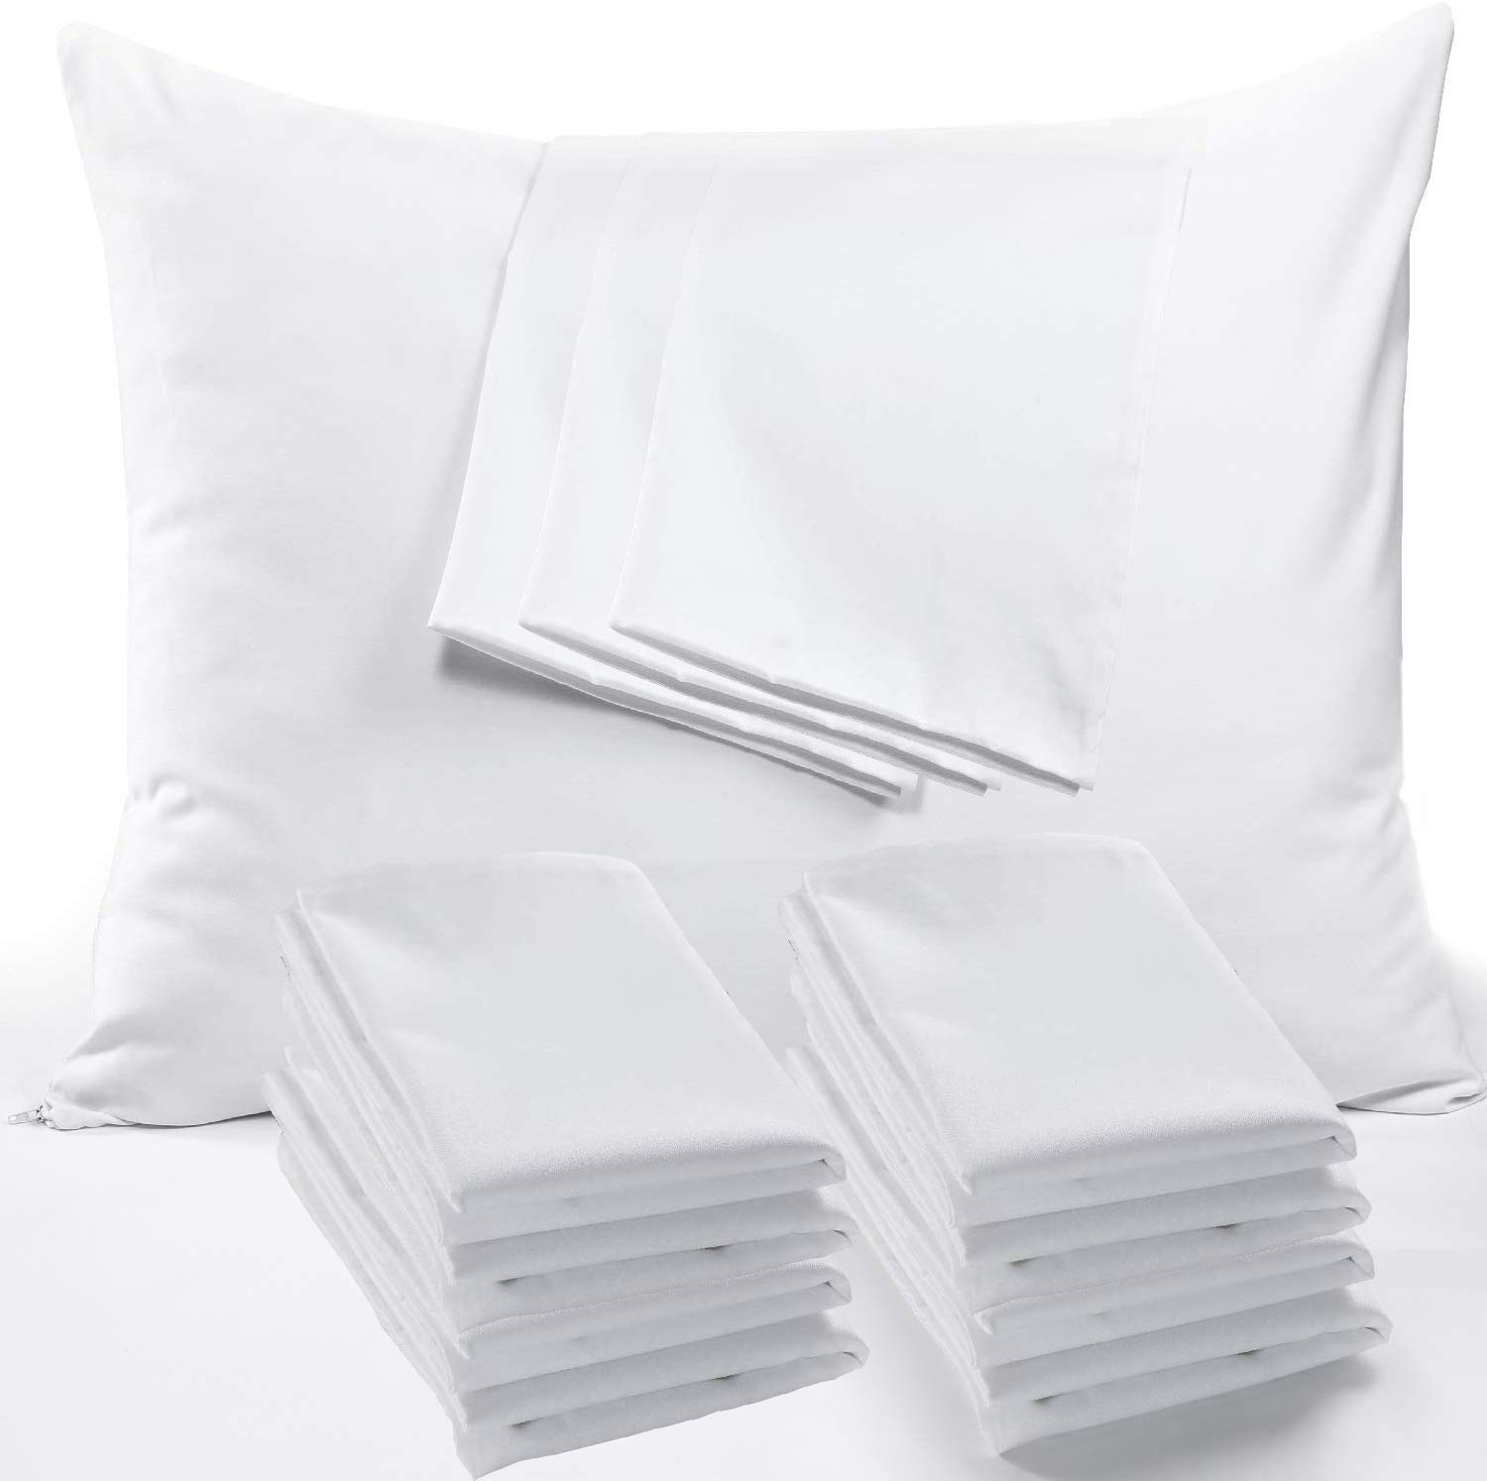
pillow protector | B07CZ9KNH4 | Niagara | https://m.media-amazon.com/images/I/61t8e-CRRtL.jpg |  | Niagara 12 Pack of Pillow Protectors with Zipper Standard Size, Effective Dust Protection, Quiet, Stay in Place Pillow Covers, Breathable Case for Pillow Lifespan Extension 20x26, White Standard 12 | QS-3SUD-LVTH | 5060545020920 | Premium Quality White Bulk 12 Pack Standard Pillow Protectors Extreme Soft -Our Ultra Soft Cooling Microfiber pillow cases zippered Standard Niagara Pillow protectors are quality pillow covers. Plain weave pillow encasements ensures softness,smoothness and bed pillow protectors are soft fabric pillow covers. Fade, Wrinkle resistant. Set of 12 White Pillowcases : Standard Pillowcases 12 Pack Size Dozen are easy to use with strong zippper .Standard Pillow Protectors 12 Pack are designed to be used at the hotels. Zippered Pillow Encasement :12 Pack pillowcases Standard size microfiber are cost effective solution for pillow protection. White Pillow Cases have heavy duty zipper, that keeps the pillow in place and prevent slipping put which is the case with envelope or open end pillow heim pillowcases. Breathable Fabric - Standard Pillow Cases 12 Pack Covers are made of cooling microfiber which makes sleeper feel comfortable in bed, keeping cool in summer and warm in winter. Our Pillow protector pillow encasements are made in all sizes Standard 20" x 26", Jumbo / Standard 20" x 30", King 20" x 36" to create soft, and breathable and enhanced protection. Pillow case protectors come in 4 pack style Standard pillow case covers Guarantee: Our Microfiber White Pillow Cases 12 pack are backed by guarantee against manufacturing defects.If you have any problem you can contact our customer service to get the problem fixed. | $12.80 | $25.99 | https://www.amazon.com/dp/B07CZ9KNH4 | Small Parcel | 1.96 | 12.99 | 11 | 1.75 | 0.39% | 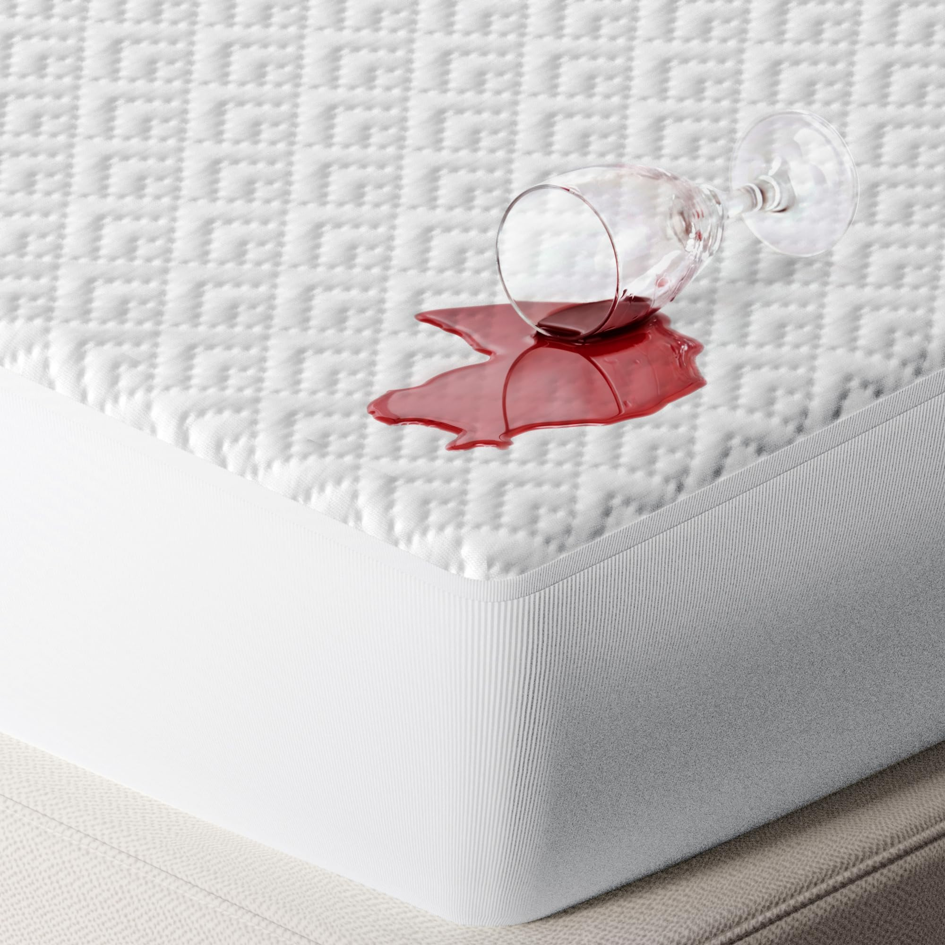
mattress topper | B0CWLNCWK4 | Niagara | https://m.media-amazon.com/images/I/61XbtOMxETL.jpg |  | Niagara Cotton Twin Mattress Topper - Pillow Top Mattress Cover Quilted Fitted Cooling Topper for Back Pain Deep Pocket Fits 20 Inches (39x75 Inches) | CMTTT |  | ULTRA SOFT: The Niagara twin mattress topper is made from cotton and fits mattresses 8-20 inches deep. The mattress topper twin is gentle on sensitive skin, elastic, and ultra-soft. ENHANCE YOUR MATTRESS: This twin size mattress topper brings 5-star hotel quality to your old mattress. The twin bed mattress topper is 39x75 in size, breathable, and comfortable. CLOUD-LIKE SLEEP: Our firm mattress topper twin adds an extra cushion to potentially ease back pain. The cotton twin mattress topper is cool, sweat-absorbent, and has no chemicals like latex or formaldehyde. EASY TO USE: The pillow top mattress topper twin has a deep pocket, is easy to put on, and has extra-length stretchy sides for thick mattresses. The twin pillow top mattress topper is machine-washable and is fluffy after drying. SATISFACTION: Get 100% satisfaction with your pillowtop mattress topper twin. This twin mattress pad cotton has a money-back guarantee. Enjoy sound sleep today with a cotton mattress pad twin! | $17.49 | $27.99 | https://www.amazon.com/dp/B0CWLNCWK4 | Small Parcel | 3 | 11.61 | 14.76 | 3.54 | 0.38% | 